HzR5mf!
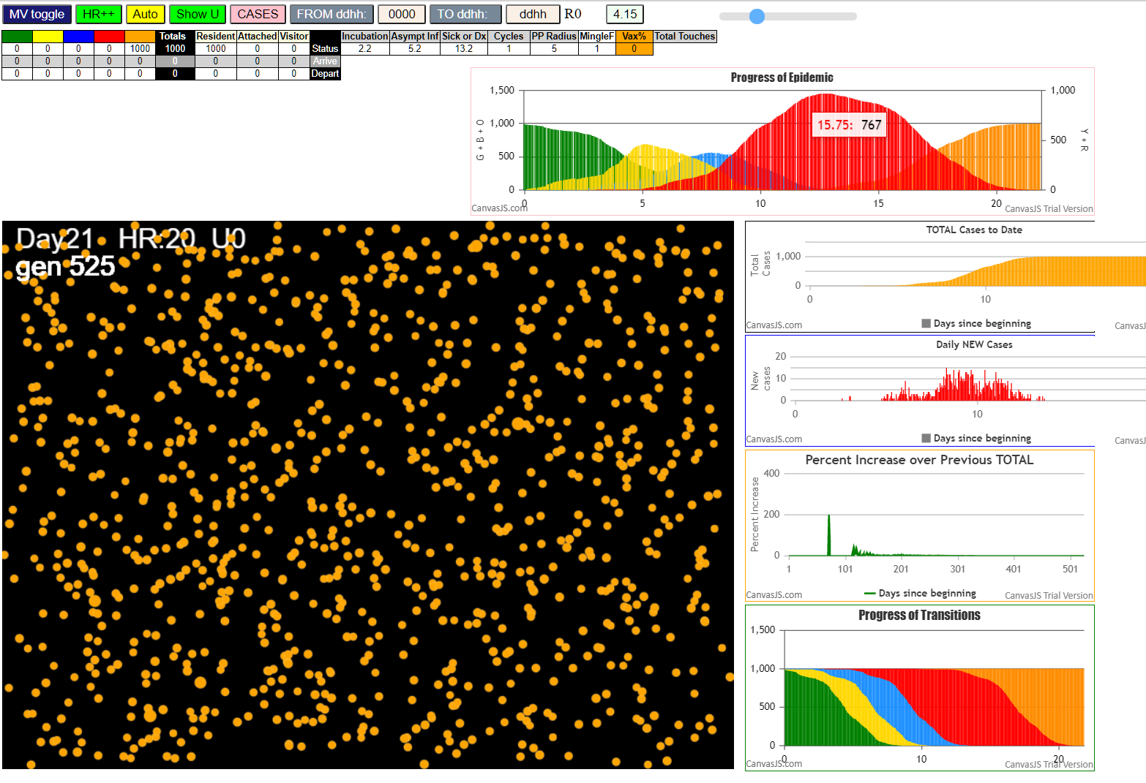

Some messages have been moved to the Issues panel.
CovidSIMVLvax.js:871 Mon Feb 15 2021 22:32:14 GMT-0800 (Pacific Standard Time)
CovidSIMVLvax.js:872 CovidSIMVL Feb 2021 supports CaseInfDays + HzR + mingleFactor/Univ + popnAges + Multiverse + RiskFactor
CovidSIMVLvax.js:873 CovidSIMVL Vax by VisibleU any day for n% remaining susceptibe; Mode1 and Mode2 two jabs
CovidSIMVLvax.js:874 Mode 1 >13 and <36 is 75%
CovidSIMVLvax.js:875 Mode 2 >28 is 95%; >13 and <29 is 75%
CovidSIMVLvax.js:4488 exit covidSim
CovidSIMVLvax.js:23 getAsText File
CovidSIMVLvax.js:32 File
CovidSIMVLvax.js:23 getAsText File
CovidSIMVLvax.js:32 File
CovidSIMVLvax.js:2317 0I x:ageGp:fam 571:4:-1 by green 10:1:-1 at gen0 Univ0 prob=0.922
CovidSIMVLvax.js:2317 0I x:ageGp:fam 841:6:-1 by green 10:1:-1 at gen0 Univ0 prob=0.033
CovidSIMVLvax.js:2317 0I x:ageGp:fam 942:7:-1 by green 10:1:-1 at gen0 Univ0 prob=0.012
CovidSIMVLvax.js:2317 0I x:ageGp:fam 408:3:-1 by green 11:1:-1 at gen0 Univ0 prob=0.469
CovidSIMVLvax.js:2317 0I x:ageGp:fam 419:3:-1 by green 11:1:-1 at gen0 Univ0 prob=0.167
CovidSIMVLvax.js:2317 0I x:ageGp:fam 424:3:-1 by green 11:1:-1 at gen0 Univ0 prob=0.254
CovidSIMVLvax.js:2317 0I x:ageGp:fam 115:1:-1 by green 13:1:-1 at gen0 Univ0 prob=0.988
CovidSIMVLvax.js:2317 0I x:ageGp:fam 365:3:-1 by green 13:1:-1 at gen0 Univ0 prob=0.681
CovidSIMVLvax.js:2317 9I x:ageGp:fam 377:3:-1 by blue 10:1:-1 at gen3 Univ0 prob=0.869
CovidSIMVLvax.js:2317 9I x:ageGp:fam 73:1:-1 by blue 11:1:-1 at gen3 Univ0 prob=0.501
CovidSIMVLvax.js:2317 9I x:ageGp:fam 84:1:-1 by blue 11:1:-1 at gen3 Univ0 prob=0.184
CovidSIMVLvax.js:2317 12I x:ageGp:fam 291:2:-1 by blue 13:1:-1 at gen4 Univ0 prob=0.930
CovidSIMVLvax.js:2317 12I x:ageGp:fam 324:2:-1 by blue 13:1:-1 at gen4 Univ0 prob=0.916
CovidSIMVLvax.js:2317 16I x:ageGp:fam 709:5:-1 by blue 11:1:-1 at gen5 Univ0 prob=0.088
CovidSIMVLvax.js:2317 18I x:ageGp:fam 414:3:-1 by blue 14:1:-1 at gen6 Univ0 prob=0.799
CovidSIMVLvax.js:2317 18I x:ageGp:fam 985:9:-1 by blue 14:1:-1 at gen6 Univ0 prob=0.046
CovidSIMVLvax.js:2317 19I x:ageGp:fam 620:4:-1 by blue 10:1:-1 at gen7 Univ0 prob=0.276
CovidSIMVLvax.js:2317 21I x:ageGp:fam 420:3:-1 by blue 14:1:-1 at gen8 Univ0 prob=0.941
CovidSIMVLvax.js:2317 22I x:ageGp:fam 344:2:-1 by blue 10:1:-1 at gen9 Univ0 prob=0.641
CovidSIMVLvax.js:2317 23I x:ageGp:fam 570:4:-1 by blue 11:1:-1 at gen10 Univ0 prob=0.729
CovidSIMVLvax.js:2317 25I x:ageGp:fam 96:1:-1 by blue 10:1:-1 at gen12 Univ0 prob=0.772
CovidSIMVLvax.js:2317 25I x:ageGp:fam 954:8:-1 by blue 10:1:-1 at gen12 Univ0 prob=0.013
CovidSIMVLvax.js:2317 25I x:ageGp:fam 886:6:-1 by blue 13:1:-1 at gen12 Univ0 prob=0.756
CovidSIMVLvax.js:2317 28I x:ageGp:fam 574:4:-1 by blue 10:1:-1 at gen14 Univ0 prob=0.578
CovidSIMVLvax.js:2317 28I x:ageGp:fam 654:4:-1 by blue 11:1:-1 at gen15 Univ0 prob=0.129
CovidSIMVLvax.js:2317 28I x:ageGp:fam 970:8:-1 by blue 13:1:-1 at gen15 Univ0 prob=0.517
CovidSIMVLvax.js:2317 28I x:ageGp:fam 486:3:-1 by blue 14:1:-1 at gen15 Univ0 prob=0.027
CovidSIMVLvax.js:2317 28I x:ageGp:fam 561:4:-1 by blue 14:1:-1 at gen15 Univ0 prob=0.105
CovidSIMVLvax.js:2317 29I x:ageGp:fam 380:3:-1 by blue 10:1:-1 at gen16 Univ0 prob=0.479
CovidSIMVLvax.js:2317 33I x:ageGp:fam 593:4:-1 by blue 12:1:-1 at gen17 Univ0 prob=0.843
CovidSIMVLvax.js:2317 33I x:ageGp:fam 727:5:-1 by blue 12:1:-1 at gen17 Univ0 prob=0.855
CovidSIMVLvax.js:2317 33I x:ageGp:fam 932:7:-1 by blue 12:1:-1 at gen17 Univ0 prob=0.822
CovidSIMVLvax.js:2317 34I x:ageGp:fam 326:2:-1 by blue 11:1:-1 at gen18 Univ0 prob=0.311
CovidSIMVLvax.js:2317 37I x:ageGp:fam 269:2:-1 by blue 10:1:-1 at gen19 Univ0 prob=0.229
CovidSIMVLvax.js:2317 39I x:ageGp:fam 830:6:-1 by blue 10:1:-1 at gen21 Univ0 prob=0.412
CovidSIMVLvax.js:2317 39I x:ageGp:fam 386:3:-1 by blue 11:1:-1 at gen21 Univ0 prob=0.831
CovidSIMVLvax.js:2317 39I x:ageGp:fam 807:5:-1 by blue 11:1:-1 at gen21 Univ0 prob=0.211
CovidSIMVLvax.js:2317 39I x:ageGp:fam 381:3:-1 by blue 12:1:-1 at gen21 Univ0 prob=0.327
CovidSIMVLvax.js:2317 39I x:ageGp:fam 641:4:-1 by blue 13:1:-1 at gen21 Univ0 prob=0.129
CovidSIMVLvax.js:2317 39I x:ageGp:fam 446:3:-1 by blue 14:1:-1 at gen21 Univ0 prob=0.997
CovidSIMVLvax.js:2317 39I x:ageGp:fam 845:6:-1 by blue 14:1:-1 at gen21 Univ0 prob=0.968
CovidSIMVLvax.js:2317 39I x:ageGp:fam 221:2:-1 by blue 10:1:-1 at gen22 Univ0 prob=0.198
CovidSIMVLvax.js:2317 39I x:ageGp:fam 506:3:-1 by blue 10:1:-1 at gen22 Univ0 prob=0.702
CovidSIMVLvax.js:2317 39I x:ageGp:fam 230:2:-1 by blue 11:1:-1 at gen22 Univ0 prob=0.425
CovidSIMVLvax.js:2317 39I x:ageGp:fam 316:2:-1 by blue 11:1:-1 at gen22 Univ0 prob=0.302
CovidSIMVLvax.js:2317 39I x:ageGp:fam 544:4:-1 by blue 11:1:-1 at gen22 Univ0 prob=0.697
CovidSIMVLvax.js:2317 39I x:ageGp:fam 680:4:-1 by blue 11:1:-1 at gen22 Univ0 prob=0.121
CovidSIMVLvax.js:2317 39I x:ageGp:fam 907:7:-1 by blue 11:1:-1 at gen22 Univ0 prob=0.274
CovidSIMVLvax.js:2317 39I x:ageGp:fam 456:3:-1 by blue 13:1:-1 at gen22 Univ0 prob=0.782
CovidSIMVLvax.js:2317 39I x:ageGp:fam 467:3:-1 by blue 13:1:-1 at gen22 Univ0 prob=0.891
CovidSIMVLvax.js:2317 46I x:ageGp:fam 657:4:-1 by blue 11:1:-1 at gen23 Univ0 prob=0.482
CovidSIMVLvax.js:2317 46I x:ageGp:fam 936:7:-1 by blue 12:1:-1 at gen23 Univ0 prob=0.828
CovidSIMVLvax.js:2317 46I x:ageGp:fam 438:3:-1 by blue 13:1:-1 at gen23 Univ0 prob=0.291
CovidSIMVLvax.js:2317 46I x:ageGp:fam 568:4:-1 by blue 13:1:-1 at gen23 Univ0 prob=0.740
CovidSIMVLvax.js:2317 46I x:ageGp:fam 220:2:-1 by blue 14:1:-1 at gen23 Univ0 prob=0.520
CovidSIMVLvax.js:2317 46I x:ageGp:fam 490:3:-1 by blue 14:1:-1 at gen23 Univ0 prob=0.545
CovidSIMVLvax.js:2317 55I x:ageGp:fam 881:6:-1 by blue 10:1:-1 at gen24 Univ0 prob=0.414
CovidSIMVLvax.js:2317 55I x:ageGp:fam 470:3:-1 by blue 12:1:-1 at gen24 Univ0 prob=0.041
CovidSIMVLvax.js:2317 61I x:ageGp:fam 43:1:-1 by blue 10:1:-1 at gen25 Univ0 prob=0.473
CovidSIMVLvax.js:2317 61I x:ageGp:fam 548:4:-1 by blue 10:1:-1 at gen25 Univ0 prob=0.243
CovidSIMVLvax.js:2317 61I x:ageGp:fam 262:2:-1 by blue 11:1:-1 at gen25 Univ0 prob=0.863
CovidSIMVLvax.js:2317 61I x:ageGp:fam 539:3:-1 by blue 11:1:-1 at gen25 Univ0 prob=0.657
CovidSIMVLvax.js:2317 61I x:ageGp:fam 202:2:-1 by blue 14:1:-1 at gen25 Univ0 prob=0.200
CovidSIMVLvax.js:2317 61I x:ageGp:fam 411:3:-1 by blue 14:1:-1 at gen25 Univ0 prob=0.294
CovidSIMVLvax.js:2317 63I x:ageGp:fam 834:6:-1 by blue 12:1:-1 at gen26 Univ0 prob=0.168
CovidSIMVLvax.js:2317 63I x:ageGp:fam 794:5:-1 by blue 14:1:-1 at gen26 Univ0 prob=0.348
CovidSIMVLvax.js:2317 69I x:ageGp:fam 33:0:-1 by blue 11:1:-1 at gen27 Univ0 prob=0.113
CovidSIMVLvax.js:2317 69I x:ageGp:fam 801:5:-1 by blue 12:1:-1 at gen27 Univ0 prob=0.934
CovidSIMVLvax.js:2317 69I x:ageGp:fam 150:2:-1 by blue 14:1:-1 at gen27 Univ0 prob=0.769
CovidSIMVLvax.js:2317 71I x:ageGp:fam 118:1:-1 by blue 11:1:-1 at gen28 Univ0 prob=0.723
CovidSIMVLvax.js:2317 71I x:ageGp:fam 314:2:-1 by blue 11:1:-1 at gen28 Univ0 prob=0.430
CovidSIMVLvax.js:2317 71I x:ageGp:fam 901:6:-1 by blue 11:1:-1 at gen28 Univ0 prob=0.832
CovidSIMVLvax.js:2317 71I x:ageGp:fam 223:2:-1 by blue 12:1:-1 at gen28 Univ0 prob=0.779
CovidSIMVLvax.js:2317 71I x:ageGp:fam 197:2:-1 by blue 14:1:-1 at gen28 Univ0 prob=0.250
CovidSIMVLvax.js:2317 71I x:ageGp:fam 500:3:-1 by blue 14:1:-1 at gen28 Univ0 prob=0.871
CovidSIMVLvax.js:2317 71I x:ageGp:fam 587:4:-1 by blue 14:1:-1 at gen28 Univ0 prob=0.971
CovidSIMVLvax.js:2317 74I x:ageGp:fam 721:5:-1 by blue 10:1:-1 at gen29 Univ0 prob=0.540
CovidSIMVLvax.js:2317 74I x:ageGp:fam 546:4:-1 by blue 12:1:-1 at gen29 Univ0 prob=0.208
CovidSIMVLvax.js:2317 74I x:ageGp:fam 750:5:-1 by blue 14:1:-1 at gen29 Univ0 prob=0.867
CovidSIMVLvax.js:2317 84I x:ageGp:fam 237:2:-1 by blue 11:1:-1 at gen31 Univ0 prob=0.960
CovidSIMVLvax.js:2317 84I x:ageGp:fam 811:5:-1 by blue 12:1:-1 at gen31 Univ0 prob=0.152
CovidSIMVLvax.js:2317 84I x:ageGp:fam 814:5:-1 by blue 12:1:-1 at gen31 Univ0 prob=0.423
CovidSIMVLvax.js:2317 84I x:ageGp:fam 690:5:-1 by blue 13:1:-1 at gen31 Univ0 prob=0.389
CovidSIMVLvax.js:2317 84I x:ageGp:fam 995:9:-1 by blue 14:1:-1 at gen31 Univ0 prob=0.886
CovidSIMVLvax.js:2317 84I x:ageGp:fam 74:1:-1 by blue 14:1:-1 at gen32 Univ0 prob=0.939
CovidSIMVLvax.js:2317 84I x:ageGp:fam 631:4:-1 by blue 14:1:-1 at gen32 Univ0 prob=0.595
CovidSIMVLvax.js:2317 89I x:ageGp:fam 519:3:-1 by blue 14:1:-1 at gen33 Univ0 prob=0.443
CovidSIMVLvax.js:2317 92I x:ageGp:fam 655:4:-1 by blue 10:1:-1 at gen35 Univ0 prob=0.013
CovidSIMVLvax.js:2317 92I x:ageGp:fam 730:5:-1 by blue 13:1:-1 at gen35 Univ0 prob=0.410
CovidSIMVLvax.js:2317 92I x:ageGp:fam 169:2:-1 by blue 14:1:-1 at gen35 Univ0 prob=0.243
CovidSIMVLvax.js:2317 92I x:ageGp:fam 250:2:-1 by blue 11:1:-1 at gen36 Univ0 prob=0.832
CovidSIMVLvax.js:2317 92I x:ageGp:fam 364:3:-1 by blue 11:1:-1 at gen36 Univ0 prob=0.577
CovidSIMVLvax.js:2317 92I x:ageGp:fam 825:6:-1 by blue 11:1:-1 at gen36 Univ0 prob=0.605
CovidSIMVLvax.js:2317 95I x:ageGp:fam 400:3:-1 by blue 10:1:-1 at gen37 Univ0 prob=0.679
CovidSIMVLvax.js:2317 95I x:ageGp:fam 852:6:-1 by blue 13:1:-1 at gen37 Univ0 prob=0.548
CovidSIMVLvax.js:2317 98I x:ageGp:fam 111:1:-1 by blue 13:1:-1 at gen38 Univ0 prob=0.444
CovidSIMVLvax.js:2317 98I x:ageGp:fam 888:6:-1 by blue 13:1:-1 at gen38 Univ0 prob=0.684
CovidSIMVLvax.js:2317 100I x:ageGp:fam 941:7:-1 by blue 13:1:-1 at gen39 Univ0 prob=0.958
CovidSIMVLvax.js:2317 102I x:ageGp:fam 914:7:-1 by blue 12:1:-1 at gen40 Univ0 prob=0.009
CovidSIMVLvax.js:2317 102I x:ageGp:fam 63:1:-1 by blue 13:1:-1 at gen40 Univ0 prob=0.487
CovidSIMVLvax.js:2317 102I x:ageGp:fam 370:3:-1 by blue 13:1:-1 at gen40 Univ0 prob=0.038
CovidSIMVLvax.js:2317 102I x:ageGp:fam 498:3:-1 by blue 14:1:-1 at gen40 Univ0 prob=0.495
CovidSIMVLvax.js:2317 103I x:ageGp:fam 783:5:-1 by blue 13:1:-1 at gen41 Univ0 prob=0.333
CovidSIMVLvax.js:2317 107I x:ageGp:fam 168:2:-1 by blue 13:1:-1 at gen42 Univ0 prob=0.247
CovidSIMVLvax.js:2317 108I x:ageGp:fam 152:2:-1 by blue 13:1:-1 at gen43 Univ0 prob=0.432
CovidSIMVLvax.js:2317 109I x:ageGp:fam 521:3:-1 by blue 12:1:-1 at gen44 Univ0 prob=0.345
CovidSIMVLvax.js:2317 110I x:ageGp:fam 104:1:-1 by blue 13:1:-1 at gen45 Univ0 prob=0.597
CovidSIMVLvax.js:2317 110I x:ageGp:fam 507:3:-1 by blue 13:1:-1 at gen45 Univ0 prob=0.082
CovidSIMVLvax.js:2317 111I x:ageGp:fam 889:6:-1 by blue 10:1:-1 at gen46 Univ0 prob=0.355
CovidSIMVLvax.js:2317 111I x:ageGp:fam 547:4:-1 by blue 11:1:-1 at gen46 Univ0 prob=0.359
CovidSIMVLvax.js:2317 111I x:ageGp:fam 119:1:-1 by blue 13:1:-1 at gen46 Univ0 prob=0.133
CovidSIMVLvax.js:2317 113I x:ageGp:fam 256:2:-1 by blue 13:1:-1 at gen47 Univ0 prob=0.574
CovidSIMVLvax.js:2317 117I x:ageGp:fam 968:8:-1 by blue 10:1:-1 at gen49 Univ0 prob=0.468
CovidSIMVLvax.js:2317 117I x:ageGp:fam 37:0:-1 by blue 13:1:-1 at gen50 Univ0 prob=0.869
CovidSIMVLvax.js:2317 118I x:ageGp:fam 627:4:-1 by blue 14:1:-1 at gen51 Univ0 prob=0.407
CovidSIMVLvax.js:2317 120I x:ageGp:fam 371:3:-1 by blue 11:1:-1 at gen54 Univ0 prob=0.981
CovidSIMVLvax.js:2317 120I x:ageGp:fam 465:3:-1 by blue 11:1:-1 at gen54 Univ0 prob=0.077
CovidSIMVLvax.js:2317 120I x:ageGp:fam 461:3:-1 by blue 14:1:-1 at gen54 Univ0 prob=0.687
CovidSIMVLvax.js:2317 120I x:ageGp:fam 363:3:-1 by yellow 324:2:-1 at gen54 Univ0 prob=0.938
CovidSIMVLvax.js:2317 120I x:ageGp:fam 849:6:-1 by blue 841:6:-1 at gen54 Univ0 prob=0.206
CovidSIMVLvax.js:2317 120I x:ageGp:fam 325:2:-1 by blue 13:1:-1 at gen55 Univ0 prob=0.457
CovidSIMVLvax.js:2317 120I x:ageGp:fam 756:5:-1 by blue 408:3:-1 at gen55 Univ0 prob=0.297
CovidSIMVLvax.js:2317 125I x:ageGp:fam 121:1:-1 by blue 14:1:-1 at gen56 Univ0 prob=0.664
CovidSIMVLvax.js:2317 125I x:ageGp:fam 837:6:-1 by blue 985:9:-1 at gen56 Univ0 prob=0.279
CovidSIMVLvax.js:2317 127I x:ageGp:fam 951:8:-1 by blue 11:1:-1 at gen57 Univ0 prob=0.257
CovidSIMVLvax.js:2317 127I x:ageGp:fam 702:5:-1 by blue 84:1:-1 at gen57 Univ0 prob=0.865
CovidSIMVLvax.js:2317 127I x:ageGp:fam 977:8:-1 by blue 84:1:-1 at gen57 Univ0 prob=0.743
CovidSIMVLvax.js:2317 127I x:ageGp:fam 545:4:-1 by blue 115:1:-1 at gen57 Univ0 prob=0.320
CovidSIMVLvax.js:2317 127I x:ageGp:fam 178:2:-1 by blue 365:3:-1 at gen57 Univ0 prob=0.774
CovidSIMVLvax.js:2317 127I x:ageGp:fam 558:4:-1 by blue 365:3:-1 at gen57 Univ0 prob=0.363
CovidSIMVLvax.js:2317 127I x:ageGp:fam 567:4:-1 by blue 571:4:-1 at gen57 Univ0 prob=0.847
CovidSIMVLvax.js:2317 129I x:ageGp:fam 366:3:-1 by blue 11:1:-1 at gen58 Univ0 prob=0.355
CovidSIMVLvax.js:2317 129I x:ageGp:fam 319:2:-1 by blue 12:1:-1 at gen58 Univ0 prob=0.508
CovidSIMVLvax.js:2317 129I x:ageGp:fam 857:6:-1 by yellow 420:3:-1 at gen58 Univ0 prob=0.611
CovidSIMVLvax.js:2317 136I x:ageGp:fam 749:5:-1 by blue 12:1:-1 at gen59 Univ0 prob=0.151
CovidSIMVLvax.js:2317 136I x:ageGp:fam 116:1:-1 by blue 14:1:-1 at gen59 Univ0 prob=0.603
CovidSIMVLvax.js:2317 139I x:ageGp:fam 267:2:-1 by blue 11:1:-1 at gen60 Univ0 prob=0.113
CovidSIMVLvax.js:2317 139I x:ageGp:fam 847:6:-1 by blue 12:1:-1 at gen60 Univ0 prob=0.468
CovidSIMVLvax.js:2317 139I x:ageGp:fam 662:4:-1 by blue 365:3:-1 at gen60 Univ0 prob=0.661
CovidSIMVLvax.js:2317 141I x:ageGp:fam 848:6:-1 by blue 11:1:-1 at gen61 Univ0 prob=0.986
CovidSIMVLvax.js:2317 141I x:ageGp:fam 919:7:-1 by blue 11:1:-1 at gen61 Univ0 prob=0.359
CovidSIMVLvax.js:2317 141I x:ageGp:fam 714:5:-1 by blue 14:1:-1 at gen61 Univ0 prob=0.203
CovidSIMVLvax.js:2317 141I x:ageGp:fam 85:1:-1 by blue 377:3:-1 at gen61 Univ0 prob=0.565
CovidSIMVLvax.js:2317 141I x:ageGp:fam 897:6:-1 by green 714:5:-1 at gen61 Univ0 prob=0.248
CovidSIMVLvax.js:2317 144I x:ageGp:fam 369:3:-1 by blue 420:3:-1 at gen62 Univ0 prob=0.439
CovidSIMVLvax.js:2317 144I x:ageGp:fam 602:4:-1 by blue 419:3:-1 at gen62 Univ0 prob=0.744
CovidSIMVLvax.js:2317 144I x:ageGp:fam 885:6:-1 by yellow 574:4:-1 at gen62 Univ0 prob=0.092
CovidSIMVLvax.js:2317 144I x:ageGp:fam 639:4:-1 by yellow 886:6:-1 at gen62 Univ0 prob=0.766
CovidSIMVLvax.js:2317 149I x:ageGp:fam 890:6:-1 by blue 12:1:-1 at gen63 Univ0 prob=0.716
CovidSIMVLvax.js:2317 149I x:ageGp:fam 491:3:-1 by blue 324:2:-1 at gen63 Univ0 prob=0.838
CovidSIMVLvax.js:2317 149I x:ageGp:fam 666:4:-1 by blue 841:6:-1 at gen63 Univ0 prob=0.465
CovidSIMVLvax.js:2317 153I x:ageGp:fam 144:2:-1 by blue 73:1:-1 at gen64 Univ0 prob=0.820
CovidSIMVLvax.js:2317 153I x:ageGp:fam 76:1:-1 by blue 886:6:-1 at gen64 Univ0 prob=0.407
CovidSIMVLvax.js:2317 153I x:ageGp:fam 916:7:-1 by blue 486:3:-1 at gen64 Univ0 prob=0.313
CovidSIMVLvax.js:2317 156I x:ageGp:fam 692:5:-1 by blue 10:1:-1 at gen65 Univ0 prob=0.777
CovidSIMVLvax.js:2317 156I x:ageGp:fam 412:3:-1 by blue 324:2:-1 at gen65 Univ0 prob=0.298
CovidSIMVLvax.js:2317 159I x:ageGp:fam 191:2:-1 by yellow 970:8:-1 at gen66 Univ0 prob=0.003
CovidSIMVLvax.js:2317 159I x:ageGp:fam 454:3:-1 by yellow 574:4:-1 at gen66 Univ0 prob=0.269
CovidSIMVLvax.js:2317 161I x:ageGp:fam 196:2:-1 by blue 570:4:-1 at gen67 Univ0 prob=0.691
CovidSIMVLvax.js:2317 161I x:ageGp:fam 200:2:-1 by yellow 593:4:-1 at gen67 Univ0 prob=0.121
CovidSIMVLvax.js:2317 161I x:ageGp:fam 208:2:-1 by blue 841:6:-1 at gen67 Univ0 prob=0.152
CovidSIMVLvax.js:2317 161I x:ageGp:fam 530:3:-1 by blue 365:3:-1 at gen67 Univ0 prob=0.295
CovidSIMVLvax.js:2317 163I x:ageGp:fam 912:7:-1 by blue 11:1:-1 at gen68 Univ0 prob=0.475
CovidSIMVLvax.js:2317 163I x:ageGp:fam 726:5:-1 by blue 13:1:-1 at gen68 Univ0 prob=0.028
CovidSIMVLvax.js:2317 167I x:ageGp:fam 6:0:-1 by yellow 326:2:-1 at gen69 Univ0 prob=0.115
CovidSIMVLvax.js:2317 167I x:ageGp:fam 222:2:-1 by blue 424:3:-1 at gen69 Univ0 prob=0.566
CovidSIMVLvax.js:2317 167I x:ageGp:fam 399:3:-1 by blue 561:4:-1 at gen69 Univ0 prob=0.976
CovidSIMVLvax.js:2317 169I x:ageGp:fam 295:2:-1 by blue 11:1:-1 at gen70 Univ0 prob=0.258
CovidSIMVLvax.js:2317 169I x:ageGp:fam 782:5:-1 by blue 11:1:-1 at gen70 Univ0 prob=0.791
CovidSIMVLvax.js:2317 169I x:ageGp:fam 345:2:-1 by blue 12:1:-1 at gen70 Univ0 prob=0.237
CovidSIMVLvax.js:2317 169I x:ageGp:fam 244:2:-1 by blue 377:3:-1 at gen70 Univ0 prob=0.012
CovidSIMVLvax.js:2317 169I x:ageGp:fam 833:6:-1 by blue 291:2:-1 at gen70 Univ0 prob=0.016
CovidSIMVLvax.js:2317 169I x:ageGp:fam 981:8:-1 by yellow 467:3:-1 at gen70 Univ0 prob=0.354
CovidSIMVLvax.js:2317 169I x:ageGp:fam 672:4:-1 by blue 727:5:-1 at gen70 Univ0 prob=0.140
CovidSIMVLvax.js:2317 172I x:ageGp:fam 331:2:-1 by red 14:1:-1 at gen71 Univ0 prob=0.796
CovidSIMVLvax.js:2317 172I x:ageGp:fam 646:4:-1 by red 14:1:-1 at gen71 Univ0 prob=0.748
CovidSIMVLvax.js:2317 172I x:ageGp:fam 640:4:-1 by blue 73:1:-1 at gen71 Univ0 prob=0.256
CovidSIMVLvax.js:2317 172I x:ageGp:fam 278:2:-1 by blue 380:3:-1 at gen71 Univ0 prob=0.302
CovidSIMVLvax.js:2317 172I x:ageGp:fam 862:6:-1 by blue 324:2:-1 at gen71 Univ0 prob=0.321
CovidSIMVLvax.js:2317 172I x:ageGp:fam 844:6:-1 by blue 365:3:-1 at gen71 Univ0 prob=0.832
CovidSIMVLvax.js:2317 172I x:ageGp:fam 397:3:-1 by blue 807:5:-1 at gen71 Univ0 prob=0.845
CovidSIMVLvax.js:2317 179I x:ageGp:fam 693:5:-1 by red 14:1:-1 at gen72 Univ0 prob=0.385
CovidSIMVLvax.js:2317 179I x:ageGp:fam 674:4:-1 by green 693:5:-1 at gen72 Univ0 prob=0.775
CovidSIMVLvax.js:2317 186I x:ageGp:fam 623:4:-1 by red 12:1:-1 at gen73 Univ0 prob=0.386
CovidSIMVLvax.js:2317 186I x:ageGp:fam 534:3:-1 by red 13:1:-1 at gen73 Univ0 prob=0.502
CovidSIMVLvax.js:2317 186I x:ageGp:fam 944:7:-1 by blue 221:2:-1 at gen73 Univ0 prob=0.323
CovidSIMVLvax.js:2317 186I x:ageGp:fam 776:5:-1 by blue 446:3:-1 at gen73 Univ0 prob=0.250
CovidSIMVLvax.js:2317 186I x:ageGp:fam 766:5:-1 by yellow 470:3:-1 at gen73 Univ0 prob=0.329
CovidSIMVLvax.js:2317 186I x:ageGp:fam 787:5:-1 by yellow 470:3:-1 at gen73 Univ0 prob=0.428
CovidSIMVLvax.js:2317 186I x:ageGp:fam 980:8:-1 by blue 571:4:-1 at gen73 Univ0 prob=0.063
CovidSIMVLvax.js:2317 188I x:ageGp:fam 293:2:-1 by red 14:1:-1 at gen74 Univ0 prob=0.388
CovidSIMVLvax.js:2317 188I x:ageGp:fam 138:2:-1 by yellow 834:6:-1 at gen74 Univ0 prob=0.691
CovidSIMVLvax.js:2317 188I x:ageGp:fam 406:3:-1 by blue 486:3:-1 at gen74 Univ0 prob=0.150
CovidSIMVLvax.js:2317 188I x:ageGp:fam 540:3:-1 by blue 932:7:-1 at gen74 Univ0 prob=0.247
CovidSIMVLvax.js:2317 188I x:ageGp:fam 986:9:-1 by yellow 794:5:-1 at gen74 Univ0 prob=0.365
CovidSIMVLvax.js:2317 195I x:ageGp:fam 9:0:-1 by blue 942:7:-1 at gen75 Univ0 prob=0.782
CovidSIMVLvax.js:2317 195I x:ageGp:fam 770:5:-1 by red 14:1:-1 at gen75 Univ0 prob=0.656
CovidSIMVLvax.js:2317 195I x:ageGp:fam 128:1:-1 by blue 316:2:-1 at gen75 Univ0 prob=0.094
CovidSIMVLvax.js:2317 195I x:ageGp:fam 195:2:-1 by blue 420:3:-1 at gen75 Univ0 prob=0.280
CovidSIMVLvax.js:2317 195I x:ageGp:fam 346:2:-1 by blue 377:3:-1 at gen75 Univ0 prob=0.965
CovidSIMVLvax.js:2317 195I x:ageGp:fam 350:2:-1 by blue 568:4:-1 at gen75 Univ0 prob=0.214
CovidSIMVLvax.js:2317 195I x:ageGp:fam 630:4:-1 by blue 446:3:-1 at gen75 Univ0 prob=0.664
CovidSIMVLvax.js:2317 195I x:ageGp:fam 598:4:-1 by blue 620:4:-1 at gen75 Univ0 prob=0.916
CovidSIMVLvax.js:2317 200I x:ageGp:fam 351:2:-1 by red 12:1:-1 at gen76 Univ0 prob=0.408
CovidSIMVLvax.js:2317 200I x:ageGp:fam 69:1:-1 by blue 324:2:-1 at gen76 Univ0 prob=0.952
CovidSIMVLvax.js:2317 200I x:ageGp:fam 252:2:-1 by blue 324:2:-1 at gen76 Univ0 prob=0.990
CovidSIMVLvax.js:2317 200I x:ageGp:fam 632:4:-1 by blue 942:7:-1 at gen76 Univ0 prob=0.793
CovidSIMVLvax.js:2317 208I x:ageGp:fam 905:7:-1 by yellow 43:1:-1 at gen77 Univ0 prob=0.172
CovidSIMVLvax.js:2317 208I x:ageGp:fam 79:1:-1 by blue 830:6:-1 at gen77 Univ0 prob=0.817
CovidSIMVLvax.js:2317 208I x:ageGp:fam 113:1:-1 by blue 324:2:-1 at gen77 Univ0 prob=0.134
CovidSIMVLvax.js:2317 208I x:ageGp:fam 361:3:-1 by blue 115:1:-1 at gen77 Univ0 prob=0.828
CovidSIMVLvax.js:2317 208I x:ageGp:fam 481:3:-1 by blue 150:2:-1 at gen77 Univ0 prob=0.292
CovidSIMVLvax.js:2317 208I x:ageGp:fam 261:2:-1 by yellow 197:2:-1 at gen77 Univ0 prob=0.019
CovidSIMVLvax.js:2317 208I x:ageGp:fam 422:3:-1 by blue 324:2:-1 at gen77 Univ0 prob=0.762
CovidSIMVLvax.js:2317 208I x:ageGp:fam 629:4:-1 by blue 324:2:-1 at gen77 Univ0 prob=0.920
CovidSIMVLvax.js:2317 208I x:ageGp:fam 455:3:-1 by blue 830:6:-1 at gen77 Univ0 prob=0.674
CovidSIMVLvax.js:2317 208I x:ageGp:fam 967:8:-1 by blue 571:4:-1 at gen77 Univ0 prob=0.220
CovidSIMVLvax.js:2317 212I x:ageGp:fam 15:0:-1 by blue 881:6:-1 at gen78 Univ0 prob=0.760
CovidSIMVLvax.js:2317 212I x:ageGp:fam 61:1:-1 by blue 84:1:-1 at gen78 Univ0 prob=0.168
CovidSIMVLvax.js:2317 212I x:ageGp:fam 175:2:-1 by blue 269:2:-1 at gen78 Univ0 prob=0.040
CovidSIMVLvax.js:2317 212I x:ageGp:fam 696:5:-1 by yellow 252:2:-1 at gen78 Univ0 prob=0.321
CovidSIMVLvax.js:2317 212I x:ageGp:fam 603:4:-1 by yellow 500:3:-1 at gen78 Univ0 prob=0.399
CovidSIMVLvax.js:2317 212I x:ageGp:fam 928:7:-1 by yellow 500:3:-1 at gen78 Univ0 prob=0.423
CovidSIMVLvax.js:2317 212I x:ageGp:fam 586:4:-1 by blue 593:4:-1 at gen78 Univ0 prob=0.555
CovidSIMVLvax.js:2317 212I x:ageGp:fam 607:4:-1 by blue 593:4:-1 at gen78 Univ0 prob=0.592
CovidSIMVLvax.js:2317 222I x:ageGp:fam 239:2:-1 by red 14:1:-1 at gen79 Univ0 prob=0.056
CovidSIMVLvax.js:2317 222I x:ageGp:fam 896:6:-1 by yellow 252:2:-1 at gen79 Univ0 prob=0.477
CovidSIMVLvax.js:2317 222I x:ageGp:fam 911:7:-1 by blue 344:2:-1 at gen79 Univ0 prob=0.125
CovidSIMVLvax.js:2317 222I x:ageGp:fam 459:3:-1 by blue 365:3:-1 at gen79 Univ0 prob=0.911
CovidSIMVLvax.js:2317 222I x:ageGp:fam 557:4:-1 by blue 593:4:-1 at gen79 Univ0 prob=0.199
CovidSIMVLvax.js:2317 230I x:ageGp:fam 28:0:-1 by red 12:1:-1 at gen80 Univ0 prob=0.548
CovidSIMVLvax.js:2317 230I x:ageGp:fam 40:1:-1 by blue 202:2:-1 at gen80 Univ0 prob=0.154
CovidSIMVLvax.js:2317 230I x:ageGp:fam 71:1:-1 by blue 84:1:-1 at gen80 Univ0 prob=0.017
CovidSIMVLvax.js:2317 230I x:ageGp:fam 795:5:-1 by blue 73:1:-1 at gen80 Univ0 prob=0.476
CovidSIMVLvax.js:2317 230I x:ageGp:fam 828:6:-1 by blue 223:2:-1 at gen80 Univ0 prob=0.159
CovidSIMVLvax.js:2317 230I x:ageGp:fam 241:2:-1 by blue 942:7:-1 at gen80 Univ0 prob=0.550
CovidSIMVLvax.js:2317 230I x:ageGp:fam 277:2:-1 by yellow 252:2:-1 at gen80 Univ0 prob=0.562
CovidSIMVLvax.js:2317 230I x:ageGp:fam 349:2:-1 by blue 291:2:-1 at gen80 Univ0 prob=0.843
CovidSIMVLvax.js:2317 230I x:ageGp:fam 779:5:-1 by blue 324:2:-1 at gen80 Univ0 prob=0.362
CovidSIMVLvax.js:2317 230I x:ageGp:fam 405:3:-1 by blue 587:4:-1 at gen80 Univ0 prob=0.064
CovidSIMVLvax.js:2317 230I x:ageGp:fam 410:3:-1 by blue 801:5:-1 at gen80 Univ0 prob=0.713
CovidSIMVLvax.js:2317 230I x:ageGp:fam 501:3:-1 by blue 942:7:-1 at gen80 Univ0 prob=0.927
CovidSIMVLvax.js:2317 230I x:ageGp:fam 760:5:-1 by green 779:5:-1 at gen80 Univ0 prob=0.034
CovidSIMVLvax.js:2317 230I x:ageGp:fam 788:5:-1 by blue 830:6:-1 at gen80 Univ0 prob=0.845
CovidSIMVLvax.js:2317 235I x:ageGp:fam 48:1:-1 by red 12:1:-1 at gen81 Univ0 prob=0.285
CovidSIMVLvax.js:2317 235I x:ageGp:fam 213:2:-1 by red 13:1:-1 at gen81 Univ0 prob=0.939
CovidSIMVLvax.js:2317 235I x:ageGp:fam 555:4:-1 by yellow 69:1:-1 at gen81 Univ0 prob=0.478
CovidSIMVLvax.js:2317 235I x:ageGp:fam 110:1:-1 by blue 420:3:-1 at gen81 Univ0 prob=0.723
CovidSIMVLvax.js:2317 235I x:ageGp:fam 257:2:-1 by blue 561:4:-1 at gen81 Univ0 prob=0.225
CovidSIMVLvax.js:2317 235I x:ageGp:fam 302:2:-1 by yellow 631:4:-1 at gen81 Univ0 prob=0.371
CovidSIMVLvax.js:2317 235I x:ageGp:fam 329:2:-1 by blue 316:2:-1 at gen81 Univ0 prob=0.875
CovidSIMVLvax.js:2317 235I x:ageGp:fam 348:2:-1 by yellow 967:8:-1 at gen81 Univ0 prob=0.895
CovidSIMVLvax.js:2317 235I x:ageGp:fam 823:6:-1 by blue 414:3:-1 at gen81 Univ0 prob=0.328
CovidSIMVLvax.js:2317 235I x:ageGp:fam 891:6:-1 by blue 420:3:-1 at gen81 Univ0 prob=0.766
CovidSIMVLvax.js:2317 235I x:ageGp:fam 503:3:-1 by yellow 631:4:-1 at gen81 Univ0 prob=0.683
CovidSIMVLvax.js:2317 235I x:ageGp:fam 815:5:-1 by yellow 631:4:-1 at gen81 Univ0 prob=0.042
CovidSIMVLvax.js:2317 235I x:ageGp:fam 713:5:-1 by blue 985:9:-1 at gen81 Univ0 prob=0.223
CovidSIMVLvax.js:2317 235I x:ageGp:fam 791:5:-1 by blue 942:7:-1 at gen81 Univ0 prob=0.080
CovidSIMVLvax.js:2317 235I x:ageGp:fam 878:6:-1 by blue 881:6:-1 at gen81 Univ0 prob=0.469
CovidSIMVLvax.js:2317 249I x:ageGp:fam 65:1:-1 by red 13:1:-1 at gen82 Univ0 prob=0.986
CovidSIMVLvax.js:2317 249I x:ageGp:fam 733:5:-1 by red 14:1:-1 at gen82 Univ0 prob=0.021
CovidSIMVLvax.js:2317 249I x:ageGp:fam 651:4:-1 by blue 74:1:-1 at gen82 Univ0 prob=0.984
CovidSIMVLvax.js:2317 249I x:ageGp:fam 141:2:-1 by blue 414:3:-1 at gen82 Univ0 prob=0.509
CovidSIMVLvax.js:2317 249I x:ageGp:fam 245:2:-1 by blue 411:3:-1 at gen82 Univ0 prob=0.341
CovidSIMVLvax.js:2317 249I x:ageGp:fam 440:3:-1 by blue 324:2:-1 at gen82 Univ0 prob=0.150
CovidSIMVLvax.js:2317 249I x:ageGp:fam 444:3:-1 by yellow 631:4:-1 at gen82 Univ0 prob=0.734
CovidSIMVLvax.js:2317 249I x:ageGp:fam 580:4:-1 by yellow 631:4:-1 at gen82 Univ0 prob=0.509
CovidSIMVLvax.js:2317 249I x:ageGp:fam 976:8:-1 by blue 593:4:-1 at gen82 Univ0 prob=0.448
CovidSIMVLvax.js:2317 249I x:ageGp:fam 960:8:-1 by blue 886:6:-1 at gen82 Univ0 prob=0.011
CovidSIMVLvax.js:2317 264I x:ageGp:fam 622:4:-1 by red 14:1:-1 at gen83 Univ0 prob=0.660
CovidSIMVLvax.js:2317 264I x:ageGp:fam 45:1:-1 by yellow 631:4:-1 at gen83 Univ0 prob=0.187
CovidSIMVLvax.js:2317 264I x:ageGp:fam 255:2:-1 by yellow 65:1:-1 at gen83 Univ0 prob=0.734
CovidSIMVLvax.js:2317 264I x:ageGp:fam 92:1:-1 by yellow 631:4:-1 at gen83 Univ0 prob=0.557
CovidSIMVLvax.js:2317 264I x:ageGp:fam 342:2:-1 by yellow 141:2:-1 at gen83 Univ0 prob=0.897
CovidSIMVLvax.js:2317 264I x:ageGp:fam 219:2:-1 by yellow 631:4:-1 at gen83 Univ0 prob=0.679
CovidSIMVLvax.js:2317 264I x:ageGp:fam 694:5:-1 by blue 411:3:-1 at gen83 Univ0 prob=0.642
CovidSIMVLvax.js:2317 264I x:ageGp:fam 615:4:-1 by blue 680:4:-1 at gen83 Univ0 prob=0.831
CovidSIMVLvax.js:2317 264I x:ageGp:fam 764:5:-1 by green 622:4:-1 at gen83 Univ0 prob=0.632
CovidSIMVLvax.js:2317 264I x:ageGp:fam 712:5:-1 by blue 680:4:-1 at gen83 Univ0 prob=0.414
CovidSIMVLvax.js:2317 264I x:ageGp:fam 998:9:-1 by blue 680:4:-1 at gen83 Univ0 prob=0.198
CovidSIMVLvax.js:2317 274I x:ageGp:fam 19:0:-1 by blue 519:3:-1 at gen84 Univ0 prob=0.588
CovidSIMVLvax.js:2317 274I x:ageGp:fam 50:1:-1 by blue 801:5:-1 at gen84 Univ0 prob=0.232
CovidSIMVLvax.js:2317 274I x:ageGp:fam 189:2:-1 by blue 150:2:-1 at gen84 Univ0 prob=0.948
CovidSIMVLvax.js:2317 274I x:ageGp:fam 920:7:-1 by blue 377:3:-1 at gen84 Univ0 prob=0.952
CovidSIMVLvax.js:2317 274I x:ageGp:fam 685:4:-1 by blue 414:3:-1 at gen84 Univ0 prob=0.360
CovidSIMVLvax.js:2317 274I x:ageGp:fam 827:6:-1 by blue 506:3:-1 at gen84 Univ0 prob=0.835
CovidSIMVLvax.js:2317 274I x:ageGp:fam 813:5:-1 by yellow 631:4:-1 at gen84 Univ0 prob=0.864
CovidSIMVLvax.js:2317 274I x:ageGp:fam 957:8:-1 by yellow 764:5:-1 at gen84 Univ0 prob=0.160
CovidSIMVLvax.js:2317 274I x:ageGp:fam 893:6:-1 by blue 814:5:-1 at gen84 Univ0 prob=0.194
CovidSIMVLvax.js:2317 285I x:ageGp:fam 835:6:-1 by red 12:1:-1 at gen85 Univ0 prob=0.911
CovidSIMVLvax.js:2317 285I x:ageGp:fam 41:1:-1 by red 13:1:-1 at gen85 Univ0 prob=0.545
CovidSIMVLvax.js:2317 285I x:ageGp:fam 752:5:-1 by blue 33:0:-1 at gen85 Univ0 prob=0.376
CovidSIMVLvax.js:2317 285I x:ageGp:fam 383:3:-1 by yellow 48:1:-1 at gen85 Univ0 prob=0.513
CovidSIMVLvax.js:2317 285I x:ageGp:fam 54:1:-1 by blue 886:6:-1 at gen85 Univ0 prob=0.078
CovidSIMVLvax.js:2317 285I x:ageGp:fam 233:2:-1 by blue 414:3:-1 at gen85 Univ0 prob=0.842
CovidSIMVLvax.js:2317 285I x:ageGp:fam 562:4:-1 by green 233:2:-1 at gen85 Univ0 prob=0.971
CovidSIMVLvax.js:2317 285I x:ageGp:fam 297:2:-1 by blue 834:6:-1 at gen85 Univ0 prob=0.078
CovidSIMVLvax.js:2317 285I x:ageGp:fam 457:3:-1 by blue 377:3:-1 at gen85 Univ0 prob=0.810
CovidSIMVLvax.js:2317 285I x:ageGp:fam 509:3:-1 by blue 954:8:-1 at gen85 Univ0 prob=0.192
CovidSIMVLvax.js:2317 285I x:ageGp:fam 671:4:-1 by blue 570:4:-1 at gen85 Univ0 prob=0.459
CovidSIMVLvax.js:2317 285I x:ageGp:fam 648:4:-1 by blue 811:5:-1 at gen85 Univ0 prob=0.940
CovidSIMVLvax.js:2317 285I x:ageGp:fam 698:5:-1 by blue 709:5:-1 at gen85 Univ0 prob=0.150
CovidSIMVLvax.js:2317 285I x:ageGp:fam 952:8:-1 by blue 811:5:-1 at gen85 Univ0 prob=0.287
CovidSIMVLvax.js:2317 285I x:ageGp:fam 966:8:-1 by blue 886:6:-1 at gen85 Univ0 prob=0.396
CovidSIMVLvax.js:2317 294I x:ageGp:fam 430:3:-1 by red 12:1:-1 at gen86 Univ0 prob=0.780
CovidSIMVLvax.js:2317 294I x:ageGp:fam 904:7:-1 by blue 33:0:-1 at gen86 Univ0 prob=0.961
CovidSIMVLvax.js:2317 294I x:ageGp:fam 55:1:-1 by blue 324:2:-1 at gen86 Univ0 prob=0.458
CovidSIMVLvax.js:2317 294I x:ageGp:fam 311:2:-1 by blue 115:1:-1 at gen86 Univ0 prob=0.093
CovidSIMVLvax.js:2317 294I x:ageGp:fam 633:4:-1 by yellow 509:3:-1 at gen86 Univ0 prob=0.493
CovidSIMVLvax.js:2317 294I x:ageGp:fam 611:4:-1 by yellow 685:4:-1 at gen86 Univ0 prob=0.846
CovidSIMVLvax.js:2317 309I x:ageGp:fam 913:7:-1 by yellow 233:2:-1 at gen87 Univ0 prob=0.232
CovidSIMVLvax.js:2317 309I x:ageGp:fam 289:2:-1 by blue 570:4:-1 at gen87 Univ0 prob=0.337
CovidSIMVLvax.js:2317 309I x:ageGp:fam 740:5:-1 by yellow 342:2:-1 at gen87 Univ0 prob=0.561
CovidSIMVLvax.js:2317 309I x:ageGp:fam 594:4:-1 by blue 377:3:-1 at gen87 Univ0 prob=0.812
CovidSIMVLvax.js:2317 309I x:ageGp:fam 466:3:-1 by yellow 457:3:-1 at gen87 Univ0 prob=0.347
CovidSIMVLvax.js:2317 309I x:ageGp:fam 805:5:-1 by green 466:3:-1 at gen87 Univ0 prob=0.784
CovidSIMVLvax.js:2317 309I x:ageGp:fam 994:9:-1 by yellow 509:3:-1 at gen87 Univ0 prob=0.077
CovidSIMVLvax.js:2317 309I x:ageGp:fam 799:5:-1 by blue 641:4:-1 at gen87 Univ0 prob=0.238
CovidSIMVLvax.js:2317 309I x:ageGp:fam 723:5:-1 by green 994:9:-1 at gen87 Univ0 prob=0.574
CovidSIMVLvax.js:2317 315I x:ageGp:fam 24:0:-1 by blue 111:1:-1 at gen88 Univ0 prob=0.890
CovidSIMVLvax.js:2317 315I x:ageGp:fam 94:1:-1 by blue 546:4:-1 at gen88 Univ0 prob=0.432
CovidSIMVLvax.js:2317 315I x:ageGp:fam 789:5:-1 by blue 202:2:-1 at gen88 Univ0 prob=0.052
CovidSIMVLvax.js:2317 315I x:ageGp:fam 664:4:-1 by blue 500:3:-1 at gen88 Univ0 prob=0.406
CovidSIMVLvax.js:2317 315I x:ageGp:fam 873:6:-1 by blue 814:5:-1 at gen88 Univ0 prob=0.135
CovidSIMVLvax.js:2317 324I x:ageGp:fam 30:0:-1 by blue 380:3:-1 at gen89 Univ0 prob=0.435
CovidSIMVLvax.js:2317 324I x:ageGp:fam 78:1:-1 by blue 932:7:-1 at gen89 Univ0 prob=0.228
CovidSIMVLvax.js:2317 324I x:ageGp:fam 765:5:-1 by blue 169:2:-1 at gen89 Univ0 prob=0.487
CovidSIMVLvax.js:2317 324I x:ageGp:fam 186:2:-1 by blue 801:5:-1 at gen89 Univ0 prob=0.301
CovidSIMVLvax.js:2317 324I x:ageGp:fam 192:2:-1 by blue 324:2:-1 at gen89 Univ0 prob=0.495
CovidSIMVLvax.js:2317 324I x:ageGp:fam 950:8:-1 by blue 202:2:-1 at gen89 Univ0 prob=0.649
CovidSIMVLvax.js:2317 324I x:ageGp:fam 402:3:-1 by blue 220:2:-1 at gen89 Univ0 prob=0.136
CovidSIMVLvax.js:2317 324I x:ageGp:fam 781:5:-1 by yellow 233:2:-1 at gen89 Univ0 prob=0.469
CovidSIMVLvax.js:2317 324I x:ageGp:fam 403:3:-1 by blue 414:3:-1 at gen89 Univ0 prob=0.690
CovidSIMVLvax.js:2317 324I x:ageGp:fam 441:3:-1 by blue 985:9:-1 at gen89 Univ0 prob=0.064
CovidSIMVLvax.js:2317 324I x:ageGp:fam 515:3:-1 by blue 446:3:-1 at gen89 Univ0 prob=0.311
CovidSIMVLvax.js:2317 324I x:ageGp:fam 705:5:-1 by blue 486:3:-1 at gen89 Univ0 prob=0.055
CovidSIMVLvax.js:2317 324I x:ageGp:fam 773:5:-1 by green 781:5:-1 at gen89 Univ0 prob=0.097
CovidSIMVLvax.js:2317 329I x:ageGp:fam 18:0:-1 by blue 115:1:-1 at gen90 Univ0 prob=0.941
CovidSIMVLvax.js:2317 329I x:ageGp:fam 21:0:-1 by blue 74:1:-1 at gen90 Univ0 prob=0.342
CovidSIMVLvax.js:2317 329I x:ageGp:fam 105:1:-1 by yellow 403:3:-1 at gen90 Univ0 prob=0.898
CovidSIMVLvax.js:2317 329I x:ageGp:fam 504:3:-1 by blue 408:3:-1 at gen90 Univ0 prob=0.285
CovidSIMVLvax.js:2317 329I x:ageGp:fam 642:4:-1 by blue 470:3:-1 at gen90 Univ0 prob=0.125
CovidSIMVLvax.js:2317 329I x:ageGp:fam 738:5:-1 by blue 932:7:-1 at gen90 Univ0 prob=0.335
CovidSIMVLvax.js:2317 342I x:ageGp:fam 313:2:-1 by red 13:1:-1 at gen91 Univ0 prob=0.089
CovidSIMVLvax.js:2317 342I x:ageGp:fam 874:6:-1 by red 13:1:-1 at gen91 Univ0 prob=0.283
CovidSIMVLvax.js:2317 342I x:ageGp:fam 715:5:-1 by blue 33:0:-1 at gen91 Univ0 prob=0.720
CovidSIMVLvax.js:2317 342I x:ageGp:fam 67:1:-1 by blue 561:4:-1 at gen91 Univ0 prob=0.889
CovidSIMVLvax.js:2317 342I x:ageGp:fam 129:1:-1 by blue 985:9:-1 at gen91 Univ0 prob=0.290
CovidSIMVLvax.js:2317 342I x:ageGp:fam 177:2:-1 by blue 932:7:-1 at gen91 Univ0 prob=0.857
CovidSIMVLvax.js:2317 342I x:ageGp:fam 859:6:-1 by yellow 738:5:-1 at gen91 Univ0 prob=0.833
CovidSIMVLvax.js:2317 342I x:ageGp:fam 757:5:-1 by blue 970:8:-1 at gen91 Univ0 prob=0.304
CovidSIMVLvax.js:2317 348I x:ageGp:fam 42:1:-1 by blue 727:5:-1 at gen92 Univ0 prob=0.804
CovidSIMVLvax.js:2317 348I x:ageGp:fam 49:1:-1 by blue 118:1:-1 at gen92 Univ0 prob=0.105
CovidSIMVLvax.js:2317 348I x:ageGp:fam 582:4:-1 by yellow 177:2:-1 at gen92 Univ0 prob=0.678
CovidSIMVLvax.js:2317 348I x:ageGp:fam 939:7:-1 by blue 291:2:-1 at gen92 Univ0 prob=0.479
CovidSIMVLvax.js:2317 348I x:ageGp:fam 688:4:-1 by blue 727:5:-1 at gen92 Univ0 prob=0.430
CovidSIMVLvax.js:2317 348I x:ageGp:fam 953:8:-1 by blue 932:7:-1 at gen92 Univ0 prob=0.763
CovidSIMVLvax.js:2317 356I x:ageGp:fam 59:1:-1 by blue 269:2:-1 at gen93 Univ0 prob=0.924
CovidSIMVLvax.js:2317 356I x:ageGp:fam 139:2:-1 by blue 730:5:-1 at gen93 Univ0 prob=0.396
CovidSIMVLvax.js:2317 356I x:ageGp:fam 176:2:-1 by yellow 688:4:-1 at gen93 Univ0 prob=0.990
CovidSIMVLvax.js:2317 356I x:ageGp:fam 300:2:-1 by yellow 177:2:-1 at gen93 Univ0 prob=0.041
CovidSIMVLvax.js:2317 356I x:ageGp:fam 645:4:-1 by yellow 177:2:-1 at gen93 Univ0 prob=0.975
CovidSIMVLvax.js:2317 356I x:ageGp:fam 445:3:-1 by blue 814:5:-1 at gen93 Univ0 prob=0.289
CovidSIMVLvax.js:2317 356I x:ageGp:fam 935:7:-1 by blue 486:3:-1 at gen93 Univ0 prob=0.810
CovidSIMVLvax.js:2317 356I x:ageGp:fam 494:3:-1 by blue 498:3:-1 at gen93 Univ0 prob=0.625
CovidSIMVLvax.js:2317 362I x:ageGp:fam 949:8:-1 by blue 168:2:-1 at gen94 Univ0 prob=0.474
CovidSIMVLvax.js:2317 362I x:ageGp:fam 820:5:-1 by blue 197:2:-1 at gen94 Univ0 prob=0.208
CovidSIMVLvax.js:2317 362I x:ageGp:fam 216:2:-1 by blue 932:7:-1 at gen94 Univ0 prob=0.247
CovidSIMVLvax.js:2317 362I x:ageGp:fam 281:2:-1 by blue 845:6:-1 at gen94 Univ0 prob=0.933
CovidSIMVLvax.js:2317 362I x:ageGp:fam 416:3:-1 by blue 631:4:-1 at gen94 Univ0 prob=0.677
CovidSIMVLvax.js:2317 362I x:ageGp:fam 523:3:-1 by blue 932:7:-1 at gen94 Univ0 prob=0.832
CovidSIMVLvax.js:2317 370I x:ageGp:fam 58:1:-1 by blue 886:6:-1 at gen95 Univ0 prob=0.100
CovidSIMVLvax.js:2317 370I x:ageGp:fam 210:2:-1 by blue 593:4:-1 at gen95 Univ0 prob=0.137
CovidSIMVLvax.js:2317 370I x:ageGp:fam 906:7:-1 by blue 381:3:-1 at gen95 Univ0 prob=0.493
CovidSIMVLvax.js:2317 370I x:ageGp:fam 768:5:-1 by blue 498:3:-1 at gen95 Univ0 prob=0.120
CovidSIMVLvax.js:2317 370I x:ageGp:fam 513:3:-1 by blue 914:7:-1 at gen95 Univ0 prob=0.385
CovidSIMVLvax.js:2317 370I x:ageGp:fam 538:3:-1 by blue 886:6:-1 at gen95 Univ0 prob=0.095
CovidSIMVLvax.js:2317 370I x:ageGp:fam 550:4:-1 by blue 995:9:-1 at gen95 Univ0 prob=0.363
CovidSIMVLvax.js:2317 370I x:ageGp:fam 573:4:-1 by blue 593:4:-1 at gen95 Univ0 prob=0.695
CovidSIMVLvax.js:2317 370I x:ageGp:fam 578:4:-1 by blue 914:7:-1 at gen95 Univ0 prob=0.461
CovidSIMVLvax.js:2317 376I x:ageGp:fam 190:2:-1 by yellow 78:1:-1 at gen96 Univ0 prob=0.279
CovidSIMVLvax.js:2317 376I x:ageGp:fam 106:1:-1 by yellow 935:7:-1 at gen96 Univ0 prob=0.023
CovidSIMVLvax.js:2317 376I x:ageGp:fam 203:2:-1 by blue 587:4:-1 at gen96 Univ0 prob=0.566
CovidSIMVLvax.js:2317 376I x:ageGp:fam 579:4:-1 by blue 220:2:-1 at gen96 Univ0 prob=0.149
CovidSIMVLvax.js:2317 376I x:ageGp:fam 526:3:-1 by blue 230:2:-1 at gen96 Univ0 prob=0.094
CovidSIMVLvax.js:2317 376I x:ageGp:fam 296:2:-1 by blue 467:3:-1 at gen96 Univ0 prob=0.505
CovidSIMVLvax.js:2317 376I x:ageGp:fam 353:2:-1 by blue 811:5:-1 at gen96 Univ0 prob=0.249
CovidSIMVLvax.js:2317 376I x:ageGp:fam 495:3:-1 by blue 381:3:-1 at gen96 Univ0 prob=0.138
CovidSIMVLvax.js:2317 376I x:ageGp:fam 745:5:-1 by blue 519:3:-1 at gen96 Univ0 prob=0.377
CovidSIMVLvax.js:2317 376I x:ageGp:fam 606:4:-1 by yellow 573:4:-1 at gen96 Univ0 prob=0.094
CovidSIMVLvax.js:2317 376I x:ageGp:fam 810:5:-1 by blue 587:4:-1 at gen96 Univ0 prob=0.347
CovidSIMVLvax.js:2317 376I x:ageGp:fam 937:7:-1 by blue 631:4:-1 at gen96 Univ0 prob=0.246
CovidSIMVLvax.js:2317 376I x:ageGp:fam 728:5:-1 by blue 801:5:-1 at gen96 Univ0 prob=0.710
CovidSIMVLvax.js:2317 376I x:ageGp:fam 842:6:-1 by blue 801:5:-1 at gen96 Univ0 prob=0.067
CovidSIMVLvax.js:2317 385I x:ageGp:fam 39:0:-1 by blue 936:7:-1 at gen97 Univ0 prob=0.876
CovidSIMVLvax.js:2317 385I x:ageGp:fam 854:6:-1 by yellow 58:1:-1 at gen97 Univ0 prob=0.043
CovidSIMVLvax.js:2317 385I x:ageGp:fam 107:1:-1 by blue 593:4:-1 at gen97 Univ0 prob=0.162
CovidSIMVLvax.js:2317 385I x:ageGp:fam 734:5:-1 by green 107:1:-1 at gen97 Univ0 prob=0.062
CovidSIMVLvax.js:2317 385I x:ageGp:fam 164:2:-1 by blue 168:2:-1 at gen97 Univ0 prob=0.019
CovidSIMVLvax.js:2317 385I x:ageGp:fam 858:6:-1 by blue 316:2:-1 at gen97 Univ0 prob=0.293
CovidSIMVLvax.js:2317 385I x:ageGp:fam 872:6:-1 by blue 446:3:-1 at gen97 Univ0 prob=0.338
CovidSIMVLvax.js:2317 385I x:ageGp:fam 628:4:-1 by blue 486:3:-1 at gen97 Univ0 prob=0.293
CovidSIMVLvax.js:2317 385I x:ageGp:fam 635:4:-1 by blue 568:4:-1 at gen97 Univ0 prob=0.539
CovidSIMVLvax.js:2317 385I x:ageGp:fam 731:5:-1 by blue 932:7:-1 at gen97 Univ0 prob=0.053
CovidSIMVLvax.js:2317 385I x:ageGp:fam 973:8:-1 by blue 750:5:-1 at gen97 Univ0 prob=0.696
CovidSIMVLvax.js:2317 385I x:ageGp:fam 895:6:-1 by blue 932:7:-1 at gen97 Univ0 prob=0.695
CovidSIMVLvax.js:2317 399I x:ageGp:fam 201:2:-1 by blue 936:7:-1 at gen98 Univ0 prob=0.018
CovidSIMVLvax.js:2317 399I x:ageGp:fam 288:2:-1 by yellow 523:3:-1 at gen98 Univ0 prob=0.504
CovidSIMVLvax.js:2317 399I x:ageGp:fam 362:3:-1 by blue 381:3:-1 at gen98 Univ0 prob=0.620
CovidSIMVLvax.js:2317 399I x:ageGp:fam 476:3:-1 by yellow 895:6:-1 at gen98 Univ0 prob=0.836
CovidSIMVLvax.js:2317 399I x:ageGp:fam 748:5:-1 by blue 498:3:-1 at gen98 Univ0 prob=0.853
CovidSIMVLvax.js:2317 399I x:ageGp:fam 518:3:-1 by blue 901:6:-1 at gen98 Univ0 prob=0.512
CovidSIMVLvax.js:2317 399I x:ageGp:fam 644:4:-1 by blue 593:4:-1 at gen98 Univ0 prob=0.314
CovidSIMVLvax.js:2317 399I x:ageGp:fam 926:7:-1 by yellow 895:6:-1 at gen98 Univ0 prob=0.456
CovidSIMVLvax.js:2317 411I x:ageGp:fam 398:3:-1 by blue 37:0:-1 at gen99 Univ0 prob=0.443
CovidSIMVLvax.js:2317 411I x:ageGp:fam 637:4:-1 by blue 37:0:-1 at gen99 Univ0 prob=0.408
CovidSIMVLvax.js:2317 411I x:ageGp:fam 870:6:-1 by blue 74:1:-1 at gen99 Univ0 prob=0.869
CovidSIMVLvax.js:2317 411I x:ageGp:fam 133:2:-1 by blue 834:6:-1 at gen99 Univ0 prob=0.993
CovidSIMVLvax.js:2317 411I x:ageGp:fam 218:2:-1 by yellow 926:7:-1 at gen99 Univ0 prob=0.232
CovidSIMVLvax.js:2317 411I x:ageGp:fam 271:2:-1 by blue 593:4:-1 at gen99 Univ0 prob=0.156
CovidSIMVLvax.js:2317 411I x:ageGp:fam 616:4:-1 by yellow 288:2:-1 at gen99 Univ0 prob=0.996
CovidSIMVLvax.js:2317 411I x:ageGp:fam 677:4:-1 by blue 316:2:-1 at gen99 Univ0 prob=0.504
CovidSIMVLvax.js:2317 411I x:ageGp:fam 923:7:-1 by blue 381:3:-1 at gen99 Univ0 prob=0.270
CovidSIMVLvax.js:2317 411I x:ageGp:fam 592:4:-1 by blue 498:3:-1 at gen99 Univ0 prob=0.317
CovidSIMVLvax.js:2317 411I x:ageGp:fam 701:5:-1 by blue 500:3:-1 at gen99 Univ0 prob=0.298
CovidSIMVLvax.js:2317 411I x:ageGp:fam 719:5:-1 by blue 500:3:-1 at gen99 Univ0 prob=0.378
CovidSIMVLvax.js:2317 411I x:ageGp:fam 529:3:-1 by blue 932:7:-1 at gen99 Univ0 prob=0.849
CovidSIMVLvax.js:2317 411I x:ageGp:fam 708:5:-1 by blue 631:4:-1 at gen99 Univ0 prob=0.264
CovidSIMVLvax.js:2317 411I x:ageGp:fam 676:4:-1 by blue 932:7:-1 at gen99 Univ0 prob=0.546
CovidSIMVLvax.js:2317 419I x:ageGp:fam 122:1:-1 by red 12:1:-1 at gen100 Univ0 prob=0.815
CovidSIMVLvax.js:2317 419I x:ageGp:fam 831:6:-1 by yellow 39:0:-1 at gen100 Univ0 prob=0.004
CovidSIMVLvax.js:2317 419I x:ageGp:fam 235:2:-1 by blue 801:5:-1 at gen100 Univ0 prob=0.963
CovidSIMVLvax.js:2317 419I x:ageGp:fam 991:9:-1 by blue 316:2:-1 at gen100 Univ0 prob=0.152
CovidSIMVLvax.js:2317 419I x:ageGp:fam 425:3:-1 by blue 881:6:-1 at gen100 Univ0 prob=0.329
CovidSIMVLvax.js:2317 419I x:ageGp:fam 948:7:-1 by blue 941:7:-1 at gen100 Univ0 prob=0.337
CovidSIMVLvax.js:2317 434I x:ageGp:fam 287:2:-1 by red 12:1:-1 at gen101 Univ0 prob=0.567
CovidSIMVLvax.js:2317 434I x:ageGp:fam 584:4:-1 by blue 33:0:-1 at gen101 Univ0 prob=0.347
CovidSIMVLvax.js:2317 434I x:ageGp:fam 80:1:-1 by yellow 288:2:-1 at gen101 Univ0 prob=0.024
CovidSIMVLvax.js:2317 434I x:ageGp:fam 93:1:-1 by blue 886:6:-1 at gen101 Univ0 prob=0.723
CovidSIMVLvax.js:2317 434I x:ageGp:fam 310:2:-1 by yellow 107:1:-1 at gen101 Univ0 prob=0.865
CovidSIMVLvax.js:2317 434I x:ageGp:fam 125:1:-1 by yellow 288:2:-1 at gen101 Univ0 prob=0.598
CovidSIMVLvax.js:2317 434I x:ageGp:fam 217:2:-1 by blue 316:2:-1 at gen101 Univ0 prob=0.418
CovidSIMVLvax.js:2317 434I x:ageGp:fam 879:6:-1 by yellow 218:2:-1 at gen101 Univ0 prob=0.768
CovidSIMVLvax.js:2317 434I x:ageGp:fam 231:2:-1 by blue 627:4:-1 at gen101 Univ0 prob=0.627
CovidSIMVLvax.js:2317 434I x:ageGp:fam 652:4:-1 by yellow 288:2:-1 at gen101 Univ0 prob=0.843
CovidSIMVLvax.js:2317 434I x:ageGp:fam 732:5:-1 by blue 801:5:-1 at gen101 Univ0 prob=0.460
CovidSIMVLvax.js:2317 434I x:ageGp:fam 809:5:-1 by blue 834:6:-1 at gen101 Univ0 prob=0.573
CovidSIMVLvax.js:2317 434I x:ageGp:fam 910:7:-1 by green 809:5:-1 at gen101 Univ0 prob=0.205
CovidSIMVLvax.js:2317 440I x:ageGp:fam 246:2:-1 by red 12:1:-1 at gen102 Univ0 prob=0.133
CovidSIMVLvax.js:2317 440I x:ageGp:fam 338:2:-1 by blue 37:0:-1 at gen102 Univ0 prob=0.307
CovidSIMVLvax.js:2317 440I x:ageGp:fam 378:3:-1 by yellow 39:0:-1 at gen102 Univ0 prob=0.443
CovidSIMVLvax.js:2317 440I x:ageGp:fam 52:1:-1 by yellow 523:3:-1 at gen102 Univ0 prob=0.460
CovidSIMVLvax.js:2317 440I x:ageGp:fam 753:5:-1 by blue 74:1:-1 at gen102 Univ0 prob=0.372
CovidSIMVLvax.js:2317 440I x:ageGp:fam 77:1:-1 by blue 811:5:-1 at gen102 Univ0 prob=0.089
CovidSIMVLvax.js:2317 440I x:ageGp:fam 978:8:-1 by blue 169:2:-1 at gen102 Univ0 prob=0.379
CovidSIMVLvax.js:2317 440I x:ageGp:fam 225:2:-1 by yellow 523:3:-1 at gen102 Univ0 prob=0.677
CovidSIMVLvax.js:2317 440I x:ageGp:fam 243:2:-1 by blue 486:3:-1 at gen102 Univ0 prob=0.412
CovidSIMVLvax.js:2317 440I x:ageGp:fam 564:4:-1 by yellow 271:2:-1 at gen102 Univ0 prob=0.659
CovidSIMVLvax.js:2317 440I x:ageGp:fam 737:5:-1 by green 378:3:-1 at gen102 Univ0 prob=0.199
CovidSIMVLvax.js:2317 440I x:ageGp:fam 793:5:-1 by blue 467:3:-1 at gen102 Univ0 prob=0.506
CovidSIMVLvax.js:2317 440I x:ageGp:fam 614:4:-1 by blue 486:3:-1 at gen102 Univ0 prob=0.268
CovidSIMVLvax.js:2317 440I x:ageGp:fam 902:7:-1 by blue 680:4:-1 at gen102 Univ0 prob=0.027
CovidSIMVLvax.js:2317 440I x:ageGp:fam 997:9:-1 by blue 834:6:-1 at gen102 Univ0 prob=0.086
CovidSIMVLvax.js:2317 440I x:ageGp:fam 956:8:-1 by blue 995:9:-1 at gen102 Univ0 prob=0.082
CovidSIMVLvax.js:2317 453I x:ageGp:fam 423:3:-1 by red 13:1:-1 at gen103 Univ0 prob=0.677
CovidSIMVLvax.js:2317 453I x:ageGp:fam 172:2:-1 by blue 587:4:-1 at gen103 Univ0 prob=0.460
CovidSIMVLvax.js:2317 453I x:ageGp:fam 871:6:-1 by blue 414:3:-1 at gen103 Univ0 prob=0.380
CovidSIMVLvax.js:2317 453I x:ageGp:fam 875:6:-1 by blue 486:3:-1 at gen103 Univ0 prob=0.655
CovidSIMVLvax.js:2317 453I x:ageGp:fam 531:3:-1 by blue 641:4:-1 at gen103 Univ0 prob=0.885
CovidSIMVLvax.js:2317 453I x:ageGp:fam 800:5:-1 by blue 587:4:-1 at gen103 Univ0 prob=0.192
CovidSIMVLvax.js:2317 469I x:ageGp:fam 143:2:-1 by blue 33:0:-1 at gen104 Univ0 prob=0.638
CovidSIMVLvax.js:2317 469I x:ageGp:fam 157:2:-1 by blue 587:4:-1 at gen104 Univ0 prob=0.816
CovidSIMVLvax.js:2317 469I x:ageGp:fam 242:2:-1 by blue 220:2:-1 at gen104 Univ0 prob=0.834
CovidSIMVLvax.js:2317 469I x:ageGp:fam 290:2:-1 by blue 886:6:-1 at gen104 Univ0 prob=0.249
CovidSIMVLvax.js:2317 469I x:ageGp:fam 294:2:-1 by blue 995:9:-1 at gen104 Univ0 prob=0.556
CovidSIMVLvax.js:2317 469I x:ageGp:fam 320:2:-1 by blue 571:4:-1 at gen104 Univ0 prob=0.878
CovidSIMVLvax.js:2317 469I x:ageGp:fam 703:5:-1 by blue 381:3:-1 at gen104 Univ0 prob=0.767
CovidSIMVLvax.js:2317 469I x:ageGp:fam 624:4:-1 by blue 914:7:-1 at gen104 Univ0 prob=0.636
CovidSIMVLvax.js:2317 469I x:ageGp:fam 965:8:-1 by blue 631:4:-1 at gen104 Univ0 prob=0.238
CovidSIMVLvax.js:2317 469I x:ageGp:fam 656:4:-1 by blue 811:5:-1 at gen104 Univ0 prob=0.514
CovidSIMVLvax.js:2317 475I x:ageGp:fam 429:3:-1 by yellow 39:0:-1 at gen105 Univ0 prob=0.442
CovidSIMVLvax.js:2317 475I x:ageGp:fam 263:2:-1 by yellow 800:5:-1 at gen105 Univ0 prob=0.215
CovidSIMVLvax.js:2317 475I x:ageGp:fam 855:6:-1 by blue 420:3:-1 at gen105 Univ0 prob=0.205
CovidSIMVLvax.js:2317 475I x:ageGp:fam 527:3:-1 by blue 750:5:-1 at gen105 Univ0 prob=0.379
CovidSIMVLvax.js:2317 475I x:ageGp:fam 865:6:-1 by blue 783:5:-1 at gen105 Univ0 prob=0.072
CovidSIMVLvax.js:2317 485I x:ageGp:fam 179:2:-1 by blue 74:1:-1 at gen106 Univ0 prob=0.953
CovidSIMVLvax.js:2317 485I x:ageGp:fam 710:5:-1 by yellow 157:2:-1 at gen106 Univ0 prob=0.035
CovidSIMVLvax.js:2317 485I x:ageGp:fam 621:4:-1 by yellow 172:2:-1 at gen106 Univ0 prob=0.187
CovidSIMVLvax.js:2317 485I x:ageGp:fam 771:5:-1 by yellow 172:2:-1 at gen106 Univ0 prob=0.224
CovidSIMVLvax.js:2317 485I x:ageGp:fam 304:2:-1 by blue 461:3:-1 at gen106 Univ0 prob=0.697
CovidSIMVLvax.js:2317 485I x:ageGp:fam 387:3:-1 by blue 631:4:-1 at gen106 Univ0 prob=0.332
CovidSIMVLvax.js:2317 485I x:ageGp:fam 689:4:-1 by blue 408:3:-1 at gen106 Univ0 prob=0.301
CovidSIMVLvax.js:2317 485I x:ageGp:fam 934:7:-1 by blue 500:3:-1 at gen106 Univ0 prob=0.075
CovidSIMVLvax.js:2317 485I x:ageGp:fam 984:9:-1 by blue 690:5:-1 at gen106 Univ0 prob=0.609
CovidSIMVLvax.js:2317 485I x:ageGp:fam 754:5:-1 by blue 750:5:-1 at gen106 Univ0 prob=0.679
CovidSIMVLvax.js:2317 490I x:ageGp:fam 512:3:-1 by red 12:1:-1 at gen107 Univ0 prob=0.233
CovidSIMVLvax.js:2317 490I x:ageGp:fam 275:2:-1 by blue 74:1:-1 at gen107 Univ0 prob=0.763
CovidSIMVLvax.js:2317 490I x:ageGp:fam 124:1:-1 by blue 849:6:-1 at gen107 Univ0 prob=0.023
CovidSIMVLvax.js:2317 490I x:ageGp:fam 433:3:-1 by blue 269:2:-1 at gen107 Univ0 prob=0.003
CovidSIMVLvax.js:2317 490I x:ageGp:fam 617:4:-1 by blue 381:3:-1 at gen107 Univ0 prob=0.896
CovidSIMVLvax.js:2317 490I x:ageGp:fam 390:3:-1 by blue 995:9:-1 at gen107 Univ0 prob=0.763
CovidSIMVLvax.js:2317 490I x:ageGp:fam 396:3:-1 by blue 641:4:-1 at gen107 Univ0 prob=0.631
CovidSIMVLvax.js:2317 490I x:ageGp:fam 407:3:-1 by yellow 926:7:-1 at gen107 Univ0 prob=0.454
CovidSIMVLvax.js:2317 490I x:ageGp:fam 435:3:-1 by blue 849:6:-1 at gen107 Univ0 prob=0.976
CovidSIMVLvax.js:2317 490I x:ageGp:fam 447:3:-1 by blue 801:5:-1 at gen107 Univ0 prob=0.151
CovidSIMVLvax.js:2317 490I x:ageGp:fam 480:3:-1 by yellow 527:3:-1 at gen107 Univ0 prob=0.405
CovidSIMVLvax.js:2317 490I x:ageGp:fam 589:4:-1 by blue 500:3:-1 at gen107 Univ0 prob=0.230
CovidSIMVLvax.js:2317 490I x:ageGp:fam 792:5:-1 by yellow 527:3:-1 at gen107 Univ0 prob=0.464
CovidSIMVLvax.js:2317 490I x:ageGp:fam 822:6:-1 by blue 546:4:-1 at gen107 Univ0 prob=0.926
CovidSIMVLvax.js:2317 490I x:ageGp:fam 824:6:-1 by blue 587:4:-1 at gen107 Univ0 prob=0.747
CovidSIMVLvax.js:2317 490I x:ageGp:fam 946:7:-1 by blue 587:4:-1 at gen107 Univ0 prob=0.759
CovidSIMVLvax.js:2317 490I x:ageGp:fam 612:4:-1 by blue 680:4:-1 at gen107 Univ0 prob=0.805
CovidSIMVLvax.js:2317 490I x:ageGp:fam 667:4:-1 by blue 849:6:-1 at gen107 Univ0 prob=0.105
CovidSIMVLvax.js:2317 500I x:ageGp:fam 260:2:-1 by red 12:1:-1 at gen108 Univ0 prob=0.198
CovidSIMVLvax.js:2317 500I x:ageGp:fam 46:1:-1 by blue 631:4:-1 at gen108 Univ0 prob=0.779
CovidSIMVLvax.js:2317 500I x:ageGp:fam 130:1:-1 by blue 801:5:-1 at gen108 Univ0 prob=0.597
CovidSIMVLvax.js:2317 500I x:ageGp:fam 132:2:-1 by blue 631:4:-1 at gen108 Univ0 prob=0.949
CovidSIMVLvax.js:2317 500I x:ageGp:fam 136:2:-1 by yellow 754:5:-1 at gen108 Univ0 prob=0.129
CovidSIMVLvax.js:2317 500I x:ageGp:fam 160:2:-1 by blue 546:4:-1 at gen108 Univ0 prob=0.748
CovidSIMVLvax.js:2317 500I x:ageGp:fam 307:2:-1 by blue 811:5:-1 at gen108 Univ0 prob=0.259
CovidSIMVLvax.js:2317 500I x:ageGp:fam 334:2:-1 by blue 519:3:-1 at gen108 Univ0 prob=0.486
CovidSIMVLvax.js:2317 500I x:ageGp:fam 392:3:-1 by yellow 871:6:-1 at gen108 Univ0 prob=0.093
CovidSIMVLvax.js:2317 500I x:ageGp:fam 451:3:-1 by blue 414:3:-1 at gen108 Univ0 prob=0.437
CovidSIMVLvax.js:2317 500I x:ageGp:fam 634:4:-1 by blue 414:3:-1 at gen108 Univ0 prob=0.127
CovidSIMVLvax.js:2317 500I x:ageGp:fam 432:3:-1 by yellow 589:4:-1 at gen108 Univ0 prob=0.893
CovidSIMVLvax.js:2317 500I x:ageGp:fam 443:3:-1 by yellow 926:7:-1 at gen108 Univ0 prob=0.295
CovidSIMVLvax.js:2317 500I x:ageGp:fam 711:5:-1 by blue 500:3:-1 at gen108 Univ0 prob=0.134
CovidSIMVLvax.js:2317 500I x:ageGp:fam 720:5:-1 by blue 801:5:-1 at gen108 Univ0 prob=0.782
CovidSIMVLvax.js:2317 500I x:ageGp:fam 784:5:-1 by blue 811:5:-1 at gen108 Univ0 prob=0.092
CovidSIMVLvax.js:2317 518I x:ageGp:fam 5:0:-1 by yellow 179:2:-1 at gen109 Univ0 prob=0.834
CovidSIMVLvax.js:2317 518I x:ageGp:fam 990:9:-1 by red 12:1:-1 at gen109 Univ0 prob=0.797
CovidSIMVLvax.js:2317 518I x:ageGp:fam 747:5:-1 by yellow 46:1:-1 at gen109 Univ0 prob=0.012
CovidSIMVLvax.js:2317 518I x:ageGp:fam 861:6:-1 by yellow 46:1:-1 at gen109 Univ0 prob=0.936
CovidSIMVLvax.js:2317 518I x:ageGp:fam 88:1:-1 by blue 500:3:-1 at gen109 Univ0 prob=0.871
CovidSIMVLvax.js:2317 518I x:ageGp:fam 880:6:-1 by blue 169:2:-1 at gen109 Univ0 prob=0.699
CovidSIMVLvax.js:2317 518I x:ageGp:fam 181:2:-1 by blue 749:5:-1 at gen109 Univ0 prob=0.302
CovidSIMVLvax.js:2317 518I x:ageGp:fam 460:3:-1 by blue 414:3:-1 at gen109 Univ0 prob=0.840
CovidSIMVLvax.js:2317 518I x:ageGp:fam 686:4:-1 by blue 414:3:-1 at gen109 Univ0 prob=0.602
CovidSIMVLvax.js:2317 518I x:ageGp:fam 428:3:-1 by blue 811:5:-1 at gen109 Univ0 prob=0.256
CovidSIMVLvax.js:2317 518I x:ageGp:fam 442:3:-1 by yellow 792:5:-1 at gen109 Univ0 prob=0.616
CovidSIMVLvax.js:2317 518I x:ageGp:fam 532:3:-1 by blue 914:7:-1 at gen109 Univ0 prob=0.893
CovidSIMVLvax.js:2317 518I x:ageGp:fam 665:4:-1 by yellow 754:5:-1 at gen109 Univ0 prob=0.497
CovidSIMVLvax.js:2317 518I x:ageGp:fam 796:5:-1 by yellow 703:5:-1 at gen109 Univ0 prob=0.865
CovidSIMVLvax.js:2317 518I x:ageGp:fam 804:5:-1 by blue 932:7:-1 at gen109 Univ0 prob=0.577
CovidSIMVLvax.js:2317 518I x:ageGp:fam 996:9:-1 by blue 811:5:-1 at gen109 Univ0 prob=0.010
CovidSIMVLvax.js:2317 534I x:ageGp:fam 330:2:-1 by red 12:1:-1 at gen110 Univ0 prob=0.928
CovidSIMVLvax.js:2317 534I x:ageGp:fam 930:7:-1 by blue 169:2:-1 at gen110 Univ0 prob=0.168
CovidSIMVLvax.js:2317 534I x:ageGp:fam 272:2:-1 by yellow 897:6:-1 at gen110 Univ0 prob=0.068
CovidSIMVLvax.js:2317 534I x:ageGp:fam 309:2:-1 by blue 690:5:-1 at gen110 Univ0 prob=0.323
CovidSIMVLvax.js:2317 534I x:ageGp:fam 404:3:-1 by blue 319:2:-1 at gen110 Univ0 prob=0.300
CovidSIMVLvax.js:2317 534I x:ageGp:fam 499:3:-1 by blue 319:2:-1 at gen110 Univ0 prob=0.342
CovidSIMVLvax.js:2317 534I x:ageGp:fam 552:4:-1 by blue 446:3:-1 at gen110 Univ0 prob=0.107
CovidSIMVLvax.js:2317 534I x:ageGp:fam 541:4:-1 by yellow 897:6:-1 at gen110 Univ0 prob=0.844
CovidSIMVLvax.js:2317 534I x:ageGp:fam 647:4:-1 by blue 593:4:-1 at gen110 Univ0 prob=0.141
CovidSIMVLvax.js:2317 534I x:ageGp:fam 610:4:-1 by blue 941:7:-1 at gen110 Univ0 prob=0.411
CovidSIMVLvax.js:2317 534I x:ageGp:fam 751:5:-1 by blue 970:8:-1 at gen110 Univ0 prob=0.538
CovidSIMVLvax.js:2317 534I x:ageGp:fam 840:6:-1 by blue 995:9:-1 at gen110 Univ0 prob=0.432
CovidSIMVLvax.js:2317 534I x:ageGp:fam 992:9:-1 by yellow 871:6:-1 at gen110 Univ0 prob=0.329
CovidSIMVLvax.js:2317 550I x:ageGp:fam 306:2:-1 by red 12:1:-1 at gen111 Univ0 prob=0.036
CovidSIMVLvax.js:2317 550I x:ageGp:fam 471:3:-1 by blue 111:1:-1 at gen111 Univ0 prob=0.893
CovidSIMVLvax.js:2317 550I x:ageGp:fam 207:2:-1 by yellow 703:5:-1 at gen111 Univ0 prob=0.801
CovidSIMVLvax.js:2317 550I x:ageGp:fam 234:2:-1 by blue 593:4:-1 at gen111 Univ0 prob=0.703
CovidSIMVLvax.js:2317 550I x:ageGp:fam 762:5:-1 by green 234:2:-1 at gen111 Univ0 prob=0.847
CovidSIMVLvax.js:2317 550I x:ageGp:fam 421:3:-1 by blue 627:4:-1 at gen111 Univ0 prob=0.093
CovidSIMVLvax.js:2317 550I x:ageGp:fam 806:5:-1 by blue 470:3:-1 at gen111 Univ0 prob=0.660
CovidSIMVLvax.js:2317 550I x:ageGp:fam 537:3:-1 by yellow 990:9:-1 at gen111 Univ0 prob=0.132
CovidSIMVLvax.js:2317 550I x:ageGp:fam 962:8:-1 by blue 627:4:-1 at gen111 Univ0 prob=0.103
CovidSIMVLvax.js:2317 550I x:ageGp:fam 687:4:-1 by blue 970:8:-1 at gen111 Univ0 prob=0.338
CovidSIMVLvax.js:2317 563I x:ageGp:fam 142:2:-1 by blue 886:6:-1 at gen112 Univ0 prob=0.601
CovidSIMVLvax.js:2317 563I x:ageGp:fam 171:2:-1 by blue 414:3:-1 at gen112 Univ0 prob=0.417
CovidSIMVLvax.js:2317 563I x:ageGp:fam 182:2:-1 by blue 941:7:-1 at gen112 Univ0 prob=0.572
CovidSIMVLvax.js:2317 563I x:ageGp:fam 211:2:-1 by blue 631:4:-1 at gen112 Univ0 prob=0.152
CovidSIMVLvax.js:2317 563I x:ageGp:fam 298:2:-1 by blue 941:7:-1 at gen112 Univ0 prob=0.138
CovidSIMVLvax.js:2317 563I x:ageGp:fam 524:3:-1 by blue 414:3:-1 at gen112 Univ0 prob=0.413
CovidSIMVLvax.js:2317 563I x:ageGp:fam 735:5:-1 by blue 587:4:-1 at gen112 Univ0 prob=0.716
CovidSIMVLvax.js:2317 563I x:ageGp:fam 908:7:-1 by blue 801:5:-1 at gen112 Univ0 prob=0.159
CovidSIMVLvax.js:2317 573I x:ageGp:fam 323:2:-1 by blue 111:1:-1 at gen113 Univ0 prob=0.261
CovidSIMVLvax.js:2317 573I x:ageGp:fam 232:2:-1 by yellow 182:2:-1 at gen113 Univ0 prob=0.064
CovidSIMVLvax.js:2317 573I x:ageGp:fam 308:2:-1 by blue 995:9:-1 at gen113 Univ0 prob=0.133
CovidSIMVLvax.js:2317 581I x:ageGp:fam 8:0:-1 by blue 414:3:-1 at gen114 Univ0 prob=0.509
CovidSIMVLvax.js:2317 581I x:ageGp:fam 70:1:-1 by yellow 211:2:-1 at gen114 Univ0 prob=0.681
CovidSIMVLvax.js:2317 581I x:ageGp:fam 91:1:-1 by blue 714:5:-1 at gen114 Univ0 prob=0.758
CovidSIMVLvax.js:2317 581I x:ageGp:fam 120:1:-1 by yellow 686:4:-1 at gen114 Univ0 prob=0.689
CovidSIMVLvax.js:2317 581I x:ageGp:fam 227:2:-1 by blue 169:2:-1 at gen114 Univ0 prob=0.910
CovidSIMVLvax.js:2317 581I x:ageGp:fam 395:3:-1 by blue 202:2:-1 at gen114 Univ0 prob=0.322
CovidSIMVLvax.js:2317 581I x:ageGp:fam 488:3:-1 by blue 220:2:-1 at gen114 Univ0 prob=0.784
CovidSIMVLvax.js:2317 581I x:ageGp:fam 284:2:-1 by green 227:2:-1 at gen114 Univ0 prob=0.114
CovidSIMVLvax.js:2317 581I x:ageGp:fam 253:2:-1 by blue 834:6:-1 at gen114 Univ0 prob=0.744
CovidSIMVLvax.js:2317 581I x:ageGp:fam 475:3:-1 by blue 500:3:-1 at gen114 Univ0 prob=0.214
CovidSIMVLvax.js:2317 584I x:ageGp:fam 2:0:-1 by yellow 735:5:-1 at gen115 Univ0 prob=0.967
CovidSIMVLvax.js:2317 584I x:ageGp:fam 559:4:-1 by blue 169:2:-1 at gen115 Univ0 prob=0.765
CovidSIMVLvax.js:2317 584I x:ageGp:fam 265:2:-1 by blue 446:3:-1 at gen115 Univ0 prob=0.787
CovidSIMVLvax.js:2317 594I x:ageGp:fam 90:1:-1 by blue 104:1:-1 at gen116 Univ0 prob=0.526
CovidSIMVLvax.js:2317 594I x:ageGp:fam 816:5:-1 by blue 169:2:-1 at gen116 Univ0 prob=0.060
CovidSIMVLvax.js:2317 594I x:ageGp:fam 463:3:-1 by yellow 211:2:-1 at gen116 Univ0 prob=0.955
CovidSIMVLvax.js:2317 594I x:ageGp:fam 576:4:-1 by yellow 211:2:-1 at gen116 Univ0 prob=0.521
CovidSIMVLvax.js:2317 594I x:ageGp:fam 322:2:-1 by yellow 284:2:-1 at gen116 Univ0 prob=0.184
CovidSIMVLvax.js:2317 594I x:ageGp:fam 360:3:-1 by blue 486:3:-1 at gen116 Univ0 prob=0.055
CovidSIMVLvax.js:2317 594I x:ageGp:fam 384:3:-1 by blue 941:7:-1 at gen116 Univ0 prob=0.388
CovidSIMVLvax.js:2317 594I x:ageGp:fam 418:3:-1 by blue 631:4:-1 at gen116 Univ0 prob=0.197
CovidSIMVLvax.js:2317 594I x:ageGp:fam 472:3:-1 by blue 654:4:-1 at gen116 Univ0 prob=0.589
CovidSIMVLvax.js:2317 594I x:ageGp:fam 609:4:-1 by blue 490:3:-1 at gen116 Univ0 prob=0.290
CovidSIMVLvax.js:2317 594I x:ageGp:fam 581:4:-1 by blue 914:7:-1 at gen116 Univ0 prob=0.881
CovidSIMVLvax.js:2317 594I x:ageGp:fam 918:7:-1 by blue 801:5:-1 at gen116 Univ0 prob=0.297
CovidSIMVLvax.js:2317 597I x:ageGp:fam 64:1:-1 by blue 169:2:-1 at gen117 Univ0 prob=0.510
CovidSIMVLvax.js:2317 597I x:ageGp:fam 95:1:-1 by blue 932:7:-1 at gen117 Univ0 prob=0.294
CovidSIMVLvax.js:2317 597I x:ageGp:fam 485:3:-1 by yellow 182:2:-1 at gen117 Univ0 prob=0.213
CovidSIMVLvax.js:2317 597I x:ageGp:fam 229:2:-1 by blue 932:7:-1 at gen117 Univ0 prob=0.414
CovidSIMVLvax.js:2317 597I x:ageGp:fam 569:4:-1 by yellow 322:2:-1 at gen117 Univ0 prob=0.110
CovidSIMVLvax.js:2317 597I x:ageGp:fam 479:3:-1 by blue 837:6:-1 at gen117 Univ0 prob=0.813
CovidSIMVLvax.js:2317 597I x:ageGp:fam 496:3:-1 by blue 801:5:-1 at gen117 Univ0 prob=0.871
CovidSIMVLvax.js:2317 609I x:ageGp:fam 131:2:-1 by yellow 229:2:-1 at gen118 Univ0 prob=0.881
CovidSIMVLvax.js:2317 609I x:ageGp:fam 536:3:-1 by yellow 227:2:-1 at gen118 Univ0 prob=0.698
CovidSIMVLvax.js:2317 609I x:ageGp:fam 458:3:-1 by blue 941:7:-1 at gen118 Univ0 prob=0.540
CovidSIMVLvax.js:2317 609I x:ageGp:fam 922:7:-1 by blue 593:4:-1 at gen118 Univ0 prob=0.537
CovidSIMVLvax.js:2317 609I x:ageGp:fam 636:4:-1 by blue 941:7:-1 at gen118 Univ0 prob=0.951
CovidSIMVLvax.js:2317 609I x:ageGp:fam 659:4:-1 by blue 801:5:-1 at gen118 Univ0 prob=0.849
CovidSIMVLvax.js:2317 616I x:ageGp:fam 47:1:-1 by yellow 227:2:-1 at gen119 Univ0 prob=0.122
CovidSIMVLvax.js:2317 616I x:ageGp:fam 448:3:-1 by yellow 64:1:-1 at gen119 Univ0 prob=0.010
CovidSIMVLvax.js:2317 616I x:ageGp:fam 583:4:-1 by yellow 171:2:-1 at gen119 Univ0 prob=0.003
CovidSIMVLvax.js:2317 616I x:ageGp:fam 947:7:-1 by blue 269:2:-1 at gen119 Univ0 prob=0.049
CovidSIMVLvax.js:2317 616I x:ageGp:fam 305:2:-1 by blue 886:6:-1 at gen119 Univ0 prob=0.292
CovidSIMVLvax.js:2317 616I x:ageGp:fam 462:3:-1 by yellow 458:3:-1 at gen119 Univ0 prob=0.797
CovidSIMVLvax.js:2317 616I x:ageGp:fam 492:3:-1 by yellow 458:3:-1 at gen119 Univ0 prob=0.635
CovidSIMVLvax.js:2317 616I x:ageGp:fam 763:5:-1 by yellow 458:3:-1 at gen119 Univ0 prob=0.971
CovidSIMVLvax.js:2317 616I x:ageGp:fam 643:4:-1 by blue 500:3:-1 at gen119 Univ0 prob=0.125
CovidSIMVLvax.js:2317 622I x:ageGp:fam 268:2:-1 by yellow 227:2:-1 at gen120 Univ0 prob=0.974
CovidSIMVLvax.js:2317 622I x:ageGp:fam 336:2:-1 by blue 750:5:-1 at gen120 Univ0 prob=0.658
CovidSIMVLvax.js:2317 622I x:ageGp:fam 355:2:-1 by yellow 763:5:-1 at gen120 Univ0 prob=0.172
CovidSIMVLvax.js:2317 622I x:ageGp:fam 464:3:-1 by blue 521:3:-1 at gen120 Univ0 prob=0.232
CovidSIMVLvax.js:2317 622I x:ageGp:fam 975:8:-1 by green 464:3:-1 at gen120 Univ0 prob=0.758
CovidSIMVLvax.js:2317 622I x:ageGp:fam 658:4:-1 by blue 639:4:-1 at gen120 Univ0 prob=0.139
CovidSIMVLvax.js:2317 622I x:ageGp:fam 743:5:-1 by blue 914:7:-1 at gen120 Univ0 prob=0.219
CovidSIMVLvax.js:2317 622I x:ageGp:fam 933:7:-1 by blue 834:6:-1 at gen120 Univ0 prob=0.473
CovidSIMVLvax.js:2317 631I x:ageGp:fam 170:2:-1 by blue 932:7:-1 at gen121 Univ0 prob=0.853
CovidSIMVLvax.js:2317 631I x:ageGp:fam 505:3:-1 by blue 914:7:-1 at gen121 Univ0 prob=0.800
CovidSIMVLvax.js:2317 631I x:ageGp:fam 755:5:-1 by blue 914:7:-1 at gen121 Univ0 prob=0.103
CovidSIMVLvax.js:2317 631I x:ageGp:fam 924:7:-1 by yellow 933:7:-1 at gen121 Univ0 prob=0.343
CovidSIMVLvax.js:2317 639I x:ageGp:fam 382:3:-1 by yellow 293:2:-1 at gen122 Univ0 prob=0.058
CovidSIMVLvax.js:2317 639I x:ageGp:fam 482:3:-1 by blue 847:6:-1 at gen122 Univ0 prob=0.161
CovidSIMVLvax.js:2317 643I x:ageGp:fam 846:6:-1 by blue 319:2:-1 at gen123 Univ0 prob=0.756
CovidSIMVLvax.js:2317 643I x:ageGp:fam 525:3:-1 by blue 371:3:-1 at gen123 Univ0 prob=0.431
CovidSIMVLvax.js:2317 643I x:ageGp:fam 508:3:-1 by blue 914:7:-1 at gen123 Univ0 prob=0.380
CovidSIMVLvax.js:2317 645I x:ageGp:fam 224:2:-1 by blue 914:7:-1 at gen124 Univ0 prob=0.431
...

HzR3mF1
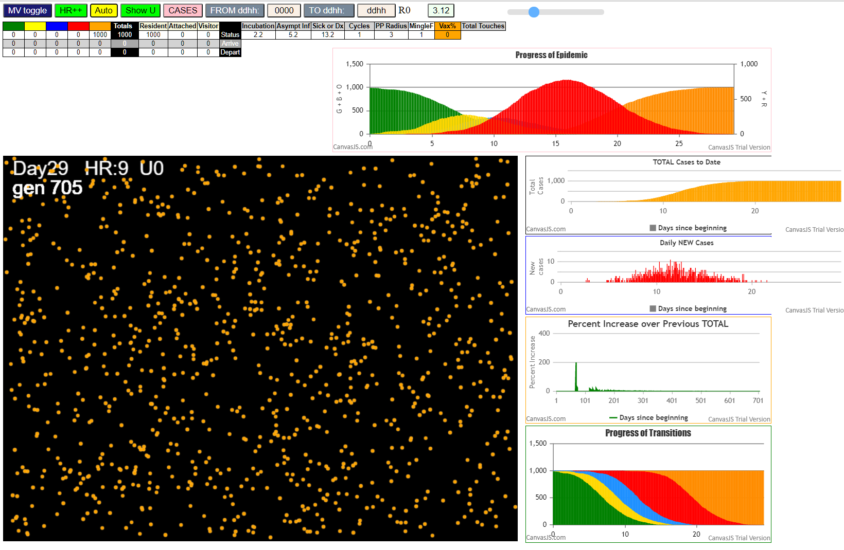

Some messages have been moved to the Issues panel.
CovidSIMVLvax.js:871 Mon Feb 15 2021 22:37:11 GMT-0800 (Pacific Standard Time)
CovidSIMVLvax.js:872 CovidSIMVL Feb 2021 supports CaseInfDays + HzR + mingleFactor/Univ + popnAges + Multiverse + RiskFactor
CovidSIMVLvax.js:873 CovidSIMVL Vax by VisibleU any day for n% remaining susceptibe; Mode1 and Mode2 two jabs
CovidSIMVLvax.js:874 Mode 1 >13 and <36 is 75%
CovidSIMVLvax.js:875 Mode 2 >28 is 95%; >13 and <29 is 75%
CovidSIMVLvax.js:4488 exit covidSim
...

HzR2mF1
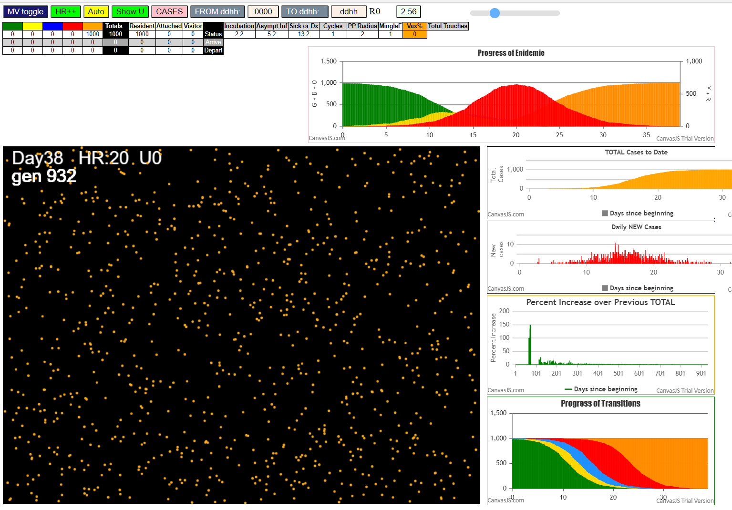

Some messages have been moved to the Issues panel.
CovidSIMVLvax.js:871 Mon Feb 15 2021 22:42:15 GMT-0800 (Pacific Standard Time)
CovidSIMVLvax.js:872 CovidSIMVL Feb 2021 supports CaseInfDays + HzR + mingleFactor/Univ + popnAges + Multiverse + RiskFactor
CovidSIMVLvax.js:873 CovidSIMVL Vax by VisibleU any day for n% remaining susceptibe; Mode1 and Mode2 two jabs
CovidSIMVLvax.js:874 Mode 1 >13 and <36 is 75%
CovidSIMVLvax.js:875 Mode 2 >28 is 95%; >13 and <29 is 75%
CovidSIMVLvax.js:4488 exit covidSim
CovidSIMVLvax.js:23 getAsText File {name: "Popn1000.csv", lastModified: 1611430642000, lastModifiedDate: Sat Jan 23 2021 11:37:22 GMT-0800 (Pacific Standard Time), webkitRelativePath: "", size: 23944, …}
CovidSIMVLvax.js:32 File {name: "Popn1000.csv", lastModified: 1611430642000, lastModifiedDate: Sat Jan 23 2021 11:37:22 GMT-0800 (Pacific Standard Time), webkitRelativePath: "", size: 23944, …}
CovidSIMVLvax.js:23 getAsText File {name: "2021.02.15 VLfive.csv", lastModified: 1613114348342, lastModifiedDate: Thu Feb 11 2021 23:19:08 GMT-0800 (Pacific Standard Time), webkitRelativePath: "", size: 146, …}
...

HzR1.4mF1
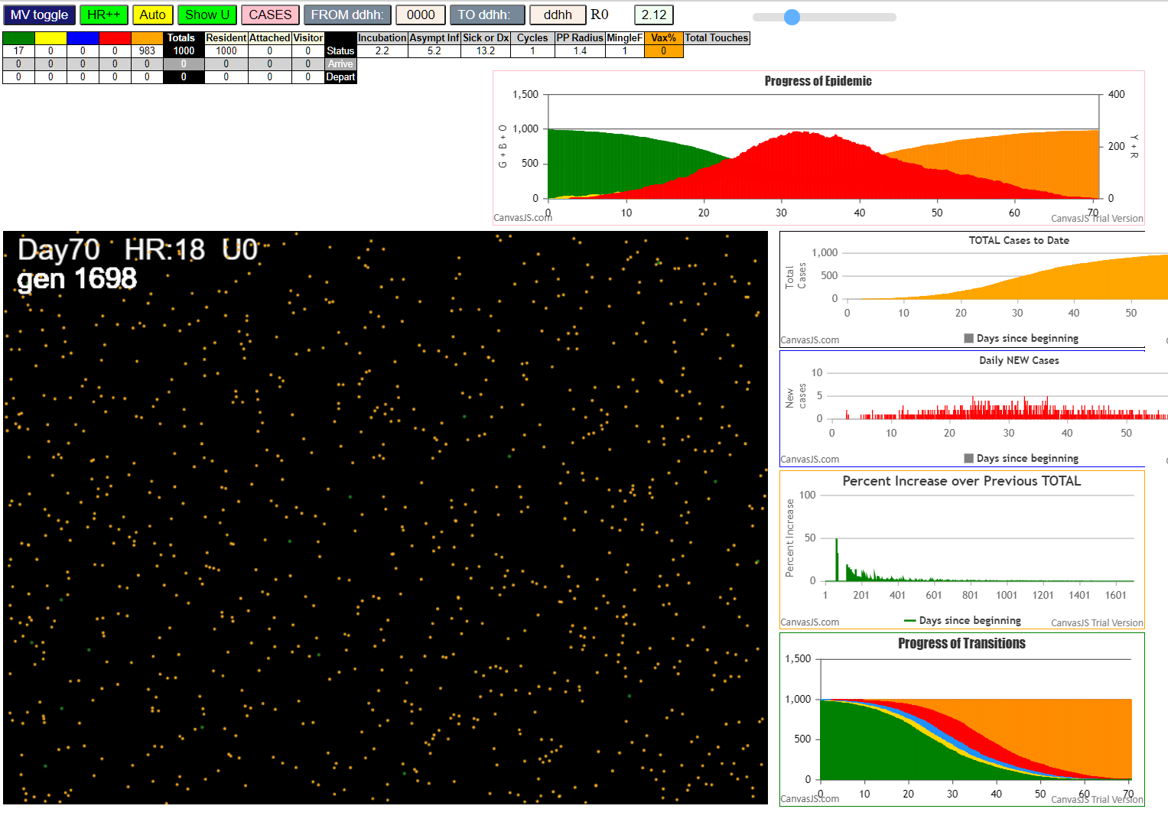

Some messages have been moved to the Issues panel.
CovidSIMVLvax.js:871 Mon Feb 15 2021 22:48:36 GMT-0800 (Pacific Standard Time)
CovidSIMVLvax.js:872 CovidSIMVL Feb 2021 supports CaseInfDays + HzR + mingleFactor/Univ + popnAges + Multiverse + RiskFactor
CovidSIMVLvax.js:873 CovidSIMVL Vax by VisibleU any day for n% remaining susceptibe; Mode1 and Mode2 two jabs
CovidSIMVLvax.js:874 Mode 1 >13 and <36 is 75%
CovidSIMVLvax.js:875 Mode 2 >28 is 95%; >13 and <29 is 75%
CovidSIMVLvax.js:4488 exit covidSim
CovidSIMVLvax.js:23 getAsText File {name: "Popn1000.csv", lastModified: 1611430642000, lastModifiedDate: Sat Jan 23 2021 11:37:22 GMT-0800 (Pacific Standard Time), webkitRelativePath: "", size: 23944, …}
CovidSIMVLvax.js:32 File {name: "Popn1000.csv", lastModified: 1611430642000, lastModifiedDate: Sat Jan 23 2021 11:37:22 GMT-0800 (Pacific Standard Time), webkitRelativePath: "", size: 23944, …}
CovidSIMVLvax.js:23 getAsText File {name: "2021.02.15 VLfive.csv", lastModified: 1613114348342, lastModifiedDate: Thu Feb 11 2021 23:19:08 GMT-0800 (Pacific Standard Time), webkitRelativePath: "", size: 146, …}
...

HzR1.2mF1
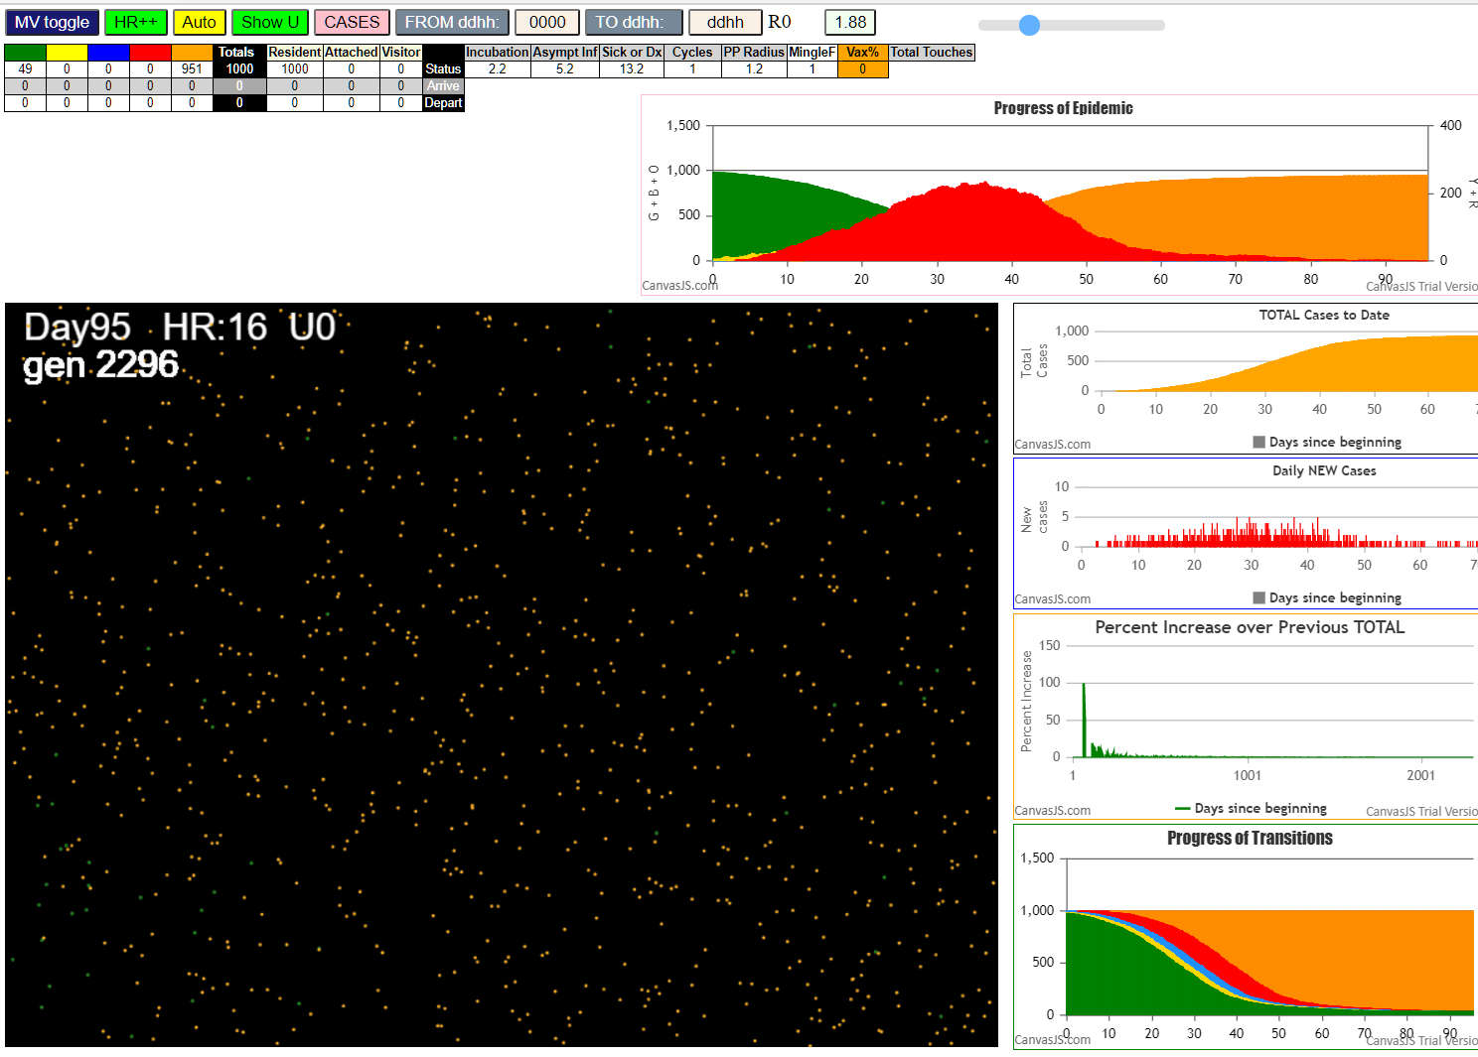

Some messages have been moved to the Issues panel.
CovidSIMVLvax.js:871 Mon Feb 15 2021 23:00:03 GMT-0800 (Pacific Standard Time)
CovidSIMVLvax.js:872 CovidSIMVL Feb 2021 supports CaseInfDays + HzR + mingleFactor/Univ + popnAges + Multiverse + RiskFactor
CovidSIMVLvax.js:873 CovidSIMVL Vax by VisibleU any day for n% remaining susceptibe; Mode1 and Mode2 two jabs
CovidSIMVLvax.js:874 Mode 1 >13 and <36 is 75%
CovidSIMVLvax.js:875 Mode 2 >28 is 95%; >13 and <29 is 75%
CovidSIMVLvax.js:4488 exit covidSim
CovidSIMVLvax.js:23 getAsText File {name: "Popn1000.csv", lastModified: 1611430642000, lastModifiedDate: Sat Jan 23 2021 11:37:22 GMT-0800 (Pacific Standard Time), webkitRelativePath: "", size: 23944, …}
CovidSIMVLvax.js:32 File {name: "Popn1000.csv", lastModified: 1611430642000, lastModifiedDate: Sat Jan 23 2021 11:37:22 GMT-0800 (Pacific Standard Time), webkitRelativePath: "", size: 23944, …}
CovidSIMVLvax.js:23 getAsText File {name: "2021.02.15 VLfive.csv", lastModified: 1613114348342, lastModifiedDate: Thu Feb 11 2021 23:19:08 GMT-0800 (Pacific Standard Time), webkitRelativePath: "", size: 146, …}
...

HzR1.1mF0.8
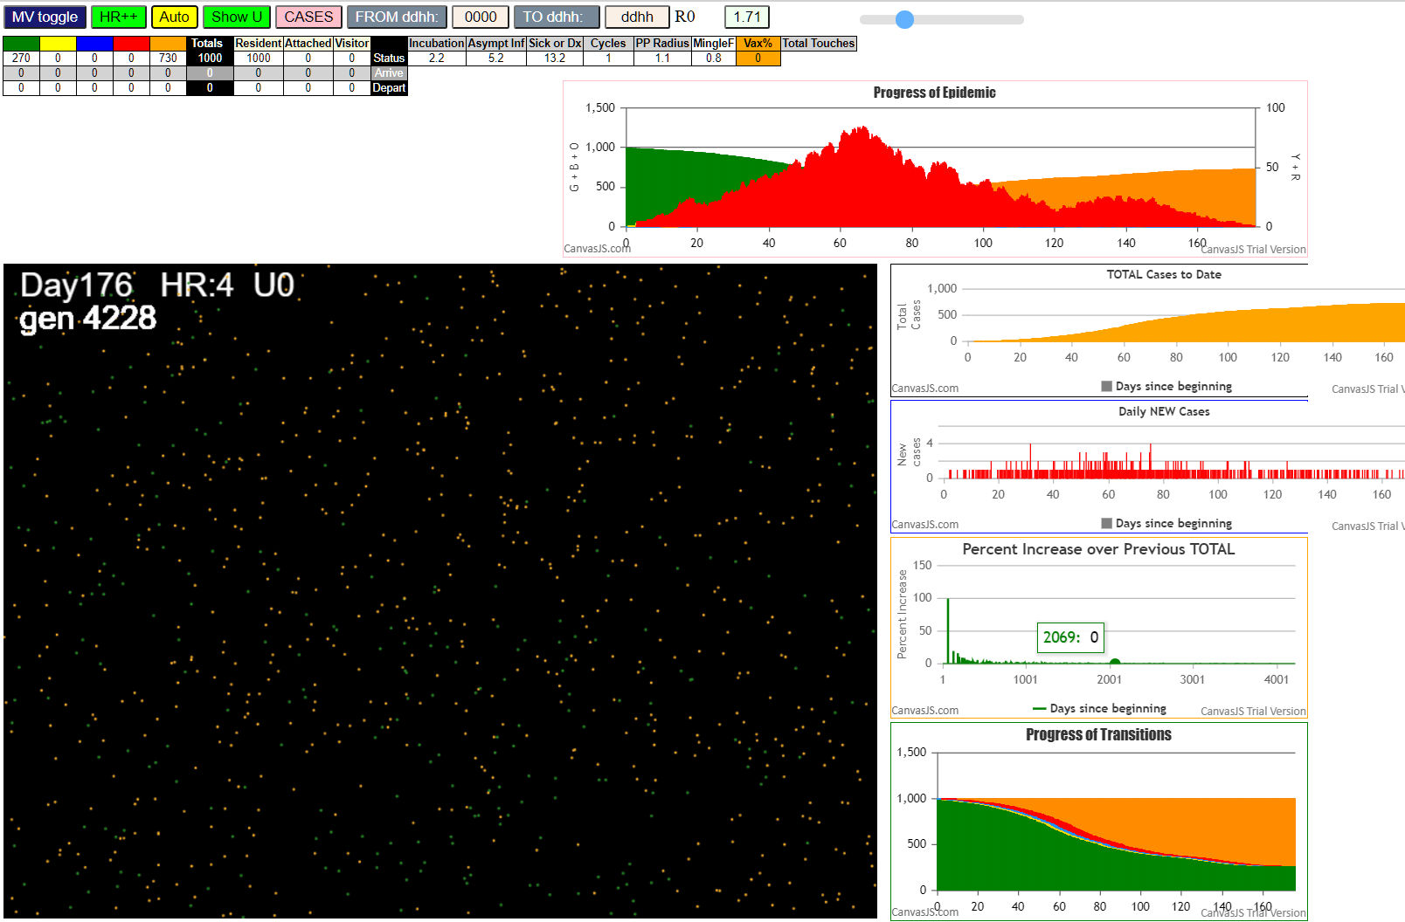
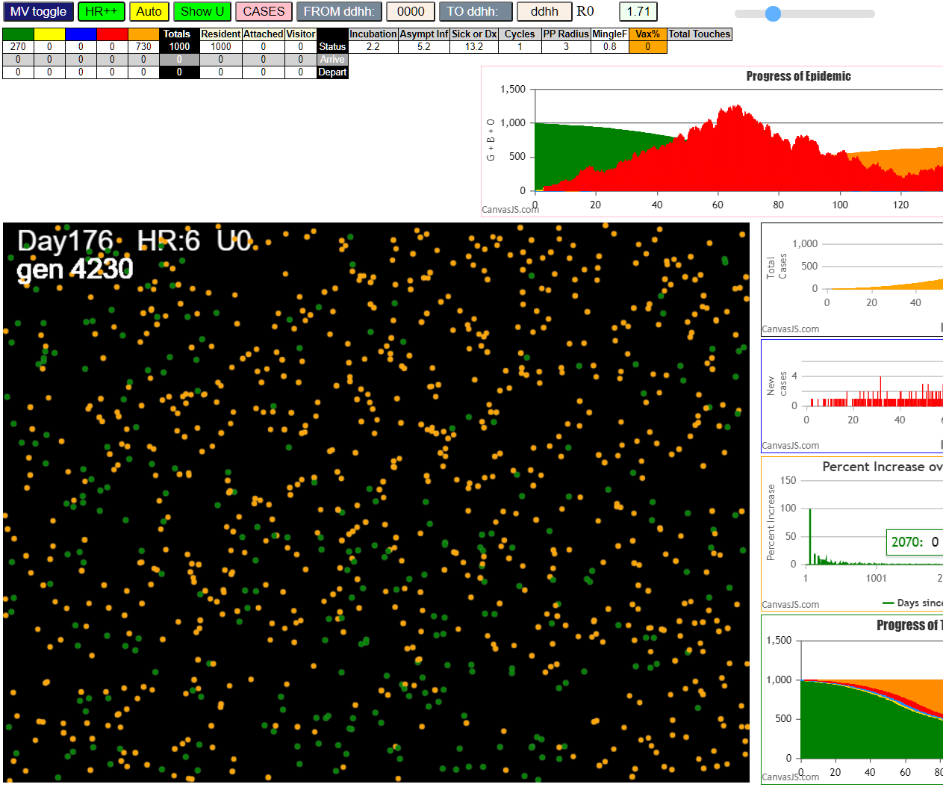

Some messages have been moved to the Issues panel. | expanded to show the clustering of greens
CovidSIMVLvax.js:871 Mon Feb 15 2021 23:18:01 GMT-0800 (Pacific Standard Time)
CovidSIMVLvax.js:872 CovidSIMVL Feb 2021 supports CaseInfDays + HzR + mingleFactor/Univ + popnAges + Multiverse + RiskFactor
CovidSIMVLvax.js:873 CovidSIMVL Vax by VisibleU any day for n% remaining susceptibe; Mode1 and Mode2 two jabs
CovidSIMVLvax.js:874 Mode 1 >13 and <36 is 75%
CovidSIMVLvax.js:875 Mode 2 >28 is 95%; >13 and <29 is 75%
CovidSIMVLvax.js:4488 exit covidSim
CovidSIMVLvax.js:23 getAsText File {name: "Popn1000.csv", lastModified: 1611430642000, lastModifiedDate: Sat Jan 23 2021 11:37:22 GMT-0800 (Pacific Standard Time), webkitRelativePath: "", size: 23944, …}
CovidSIMVLvax.js:32 File {name: "Popn1000.csv", lastModified: 1611430642000, lastModifiedDate: Sat Jan 23 2021 11:37:22 GMT-0800 (Pacific Standard Time), webkitRelativePath: "", size: 23944, …}
CovidSIMVLvax.js:23 getAsText File {name: "2021.02.15 VLfive.csv", lastModified: 1613114348342, lastModifiedDate: Thu Feb 11 2021 23:19:08 GMT-0800 (Pacific Standard Time), webkitRelativePath: "", size: 146, …}
...

HzR1.1mF0.8+1
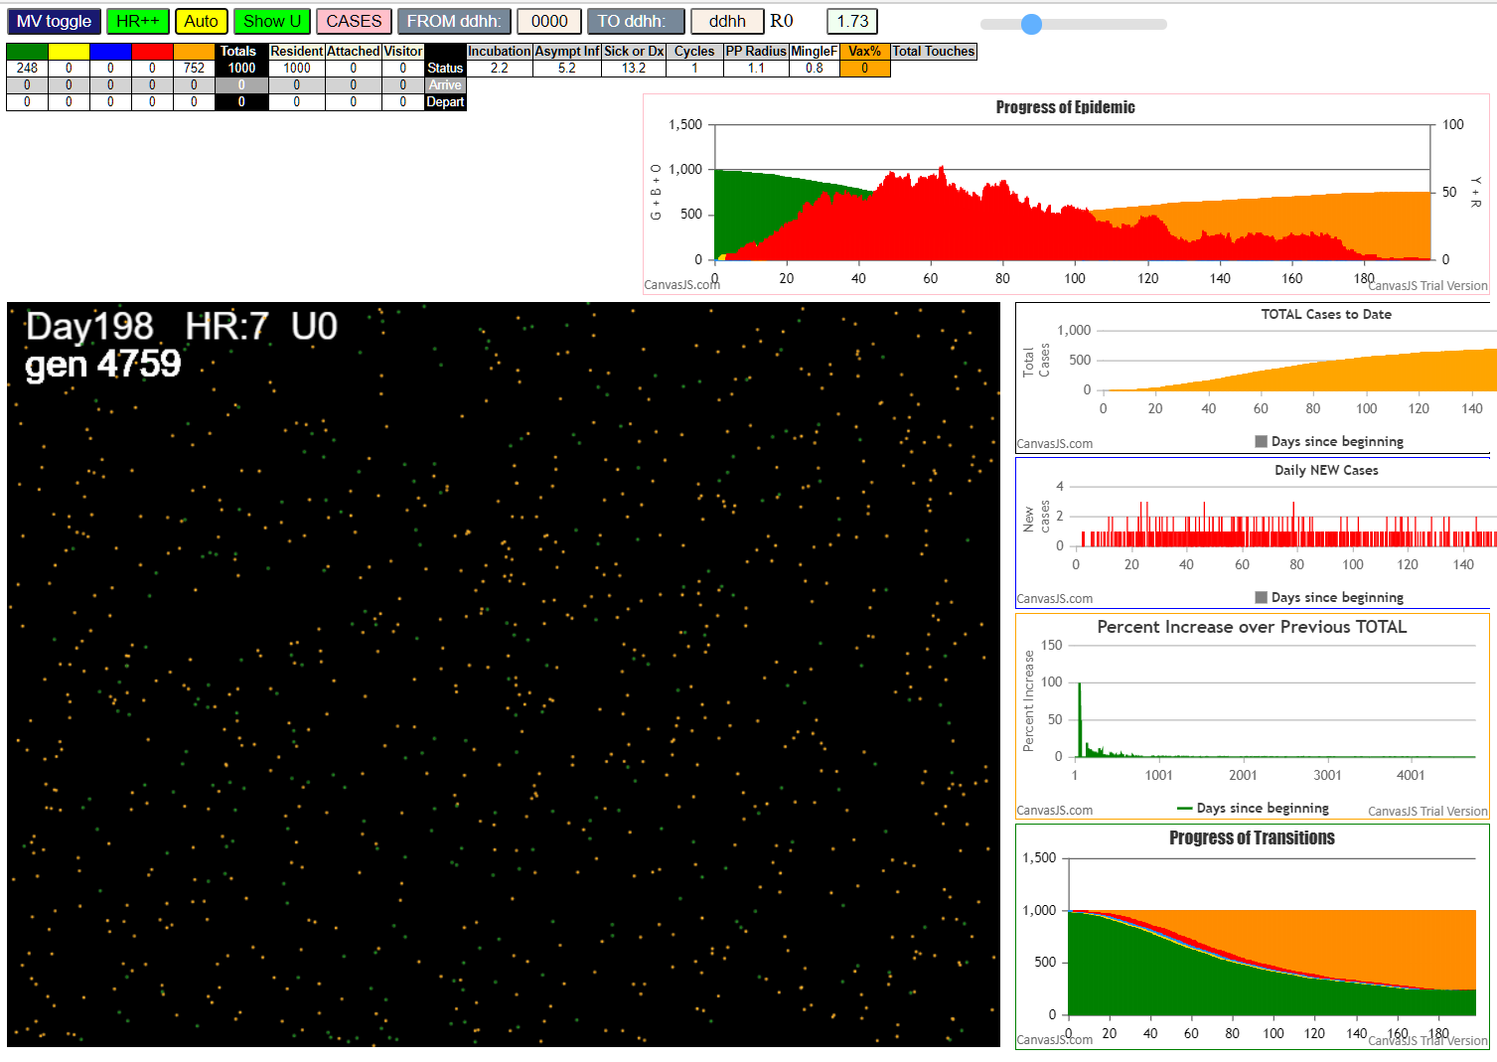
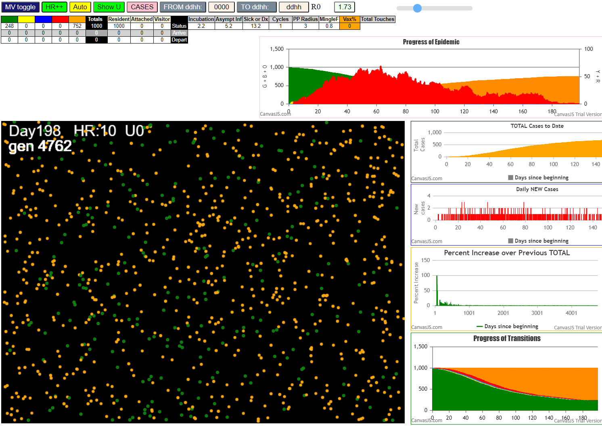

Some messages have been moved to the Issues panel.
CovidSIMVLvax.js:871 Tue Feb 16 2021 10:54:19 GMT-0800 (Pacific Standard Time)
CovidSIMVLvax.js:872 CovidSIMVL Feb 2021 supports CaseInfDays + HzR + mingleFactor/Univ + popnAges + Multiverse + RiskFactor
CovidSIMVLvax.js:873 CovidSIMVL Vax by VisibleU any day for n% remaining susceptibe; Mode1 and Mode2 two jabs
CovidSIMVLvax.js:874 Mode 1 >13 and <36 is 75%
CovidSIMVLvax.js:875 Mode 2 >28 is 95%; >13 and <29 is 75%
CovidSIMVLvax.js:4488 exit covidSim
...

HzR1.1mF0.8+2
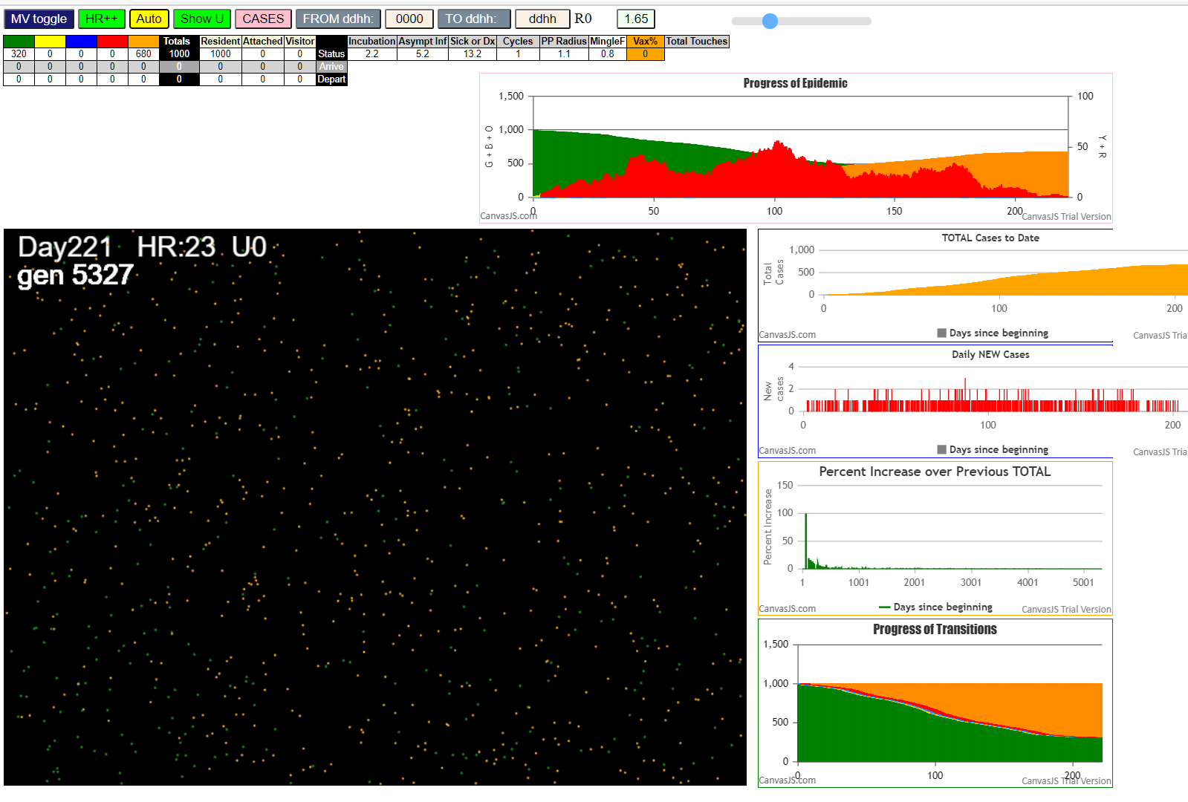
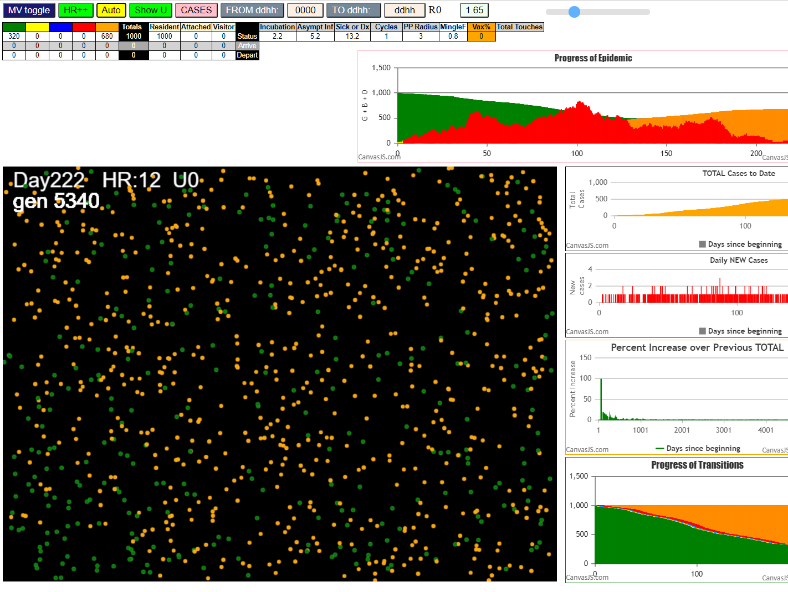

Some messages have been moved to the Issues panel.
CovidSIMVLvax.js:871 Tue Feb 16 2021 12:39:35 GMT-0800 (Pacific Standard Time)
CovidSIMVLvax.js:872 CovidSIMVL Feb 2021 supports CaseInfDays + HzR + mingleFactor/Univ + popnAges + Multiverse + RiskFactor
CovidSIMVLvax.js:873 CovidSIMVL Vax by VisibleU any day for n% remaining susceptibe; Mode1 and Mode2 two jabs
CovidSIMVLvax.js:874 Mode 1 >13 and <36 is 75%
CovidSIMVLvax.js:875 Mode 2 >28 is 95%; >13 and <29 is 75%
CovidSIMVLvax.js:4488 exit covidSim
CovidSIMVLvax.js:23 getAsText File {name: "Popn1000.csv", lastModified: 1611430642000, lastModifiedDate: Sat Jan 23 2021 11:37:22 GMT-0800 (Pacific Standard Time), webkitRelativePath: "", size: 23944, …}
CovidSIMVLvax.js:32 File {name: "Popn1000.csv", lastModified: 1611430642000, lastModifiedDate: Sat Jan 23 2021 11:37:22 GMT-0800 (Pacific Standard Time), webkitRelativePath: "", size: 23944, …}
CovidSIMVLvax.js:23 getAsText File {name: "2021.02.15 VLfive.csv", lastModified: 1613114348342, lastModifiedDate: Thu Feb 11 2021 23:19:08 GMT-0800 (Pacific Standard Time), webkitRelativePath: "", size: 146, …}
CovidSIMVLvax.js:32 File {name: "2021.02.15 VLfive.csv", lastModified: 1613114348342, lastModifiedDate: Thu Feb 11 2021 23:19:08 GMT-0800 (Pacific Standard Time), webkitRelativePath: "", size: 146, …}
...

